Demurrage Charges
CLICK HERE FOR DETENTION CALCULATOR
 |  |  |  | GUIDE | Locked Field |  | TOTAL PAYABLE DEMURRAGE CHARGES |  | ₱0.00
 |  |  |  |  | Required Field

No. | Bill of Lading No. | Container No. | Container Type/Size | Estimated Gate-in Date MM-DD-YY | No. of Free Time Days | Demurrage Scheme | Free Time End Date | Estimated Load Date MM-DD-YY | Chargeable Days | Demurrage Charges

***YOU HAVE REACHED THE FILE ROW LIMIT***
...

Detention Charges
CLICK HERE FOR DEMURRAGE CALCULATOR
 |  |  |  | GUIDE | Locked Field |  | TOTAL PAYABLE DETENTION CHARGES |  | ₱0.00
 |  |  |  |  | Required Field

No. | Bill of Lading No. | Container No. | Container Type/Size | Gate-out Date MM-DD-YY | No. of Free Time Days | Detention Scheme | Free Time End Date | Estimated Gate-in Date MM-DD-YY | Chargeable Days | Detention Charges

***YOU HAVE REACHED THE FILE ROW LIMIT***
...

PH Import D&D Tariff
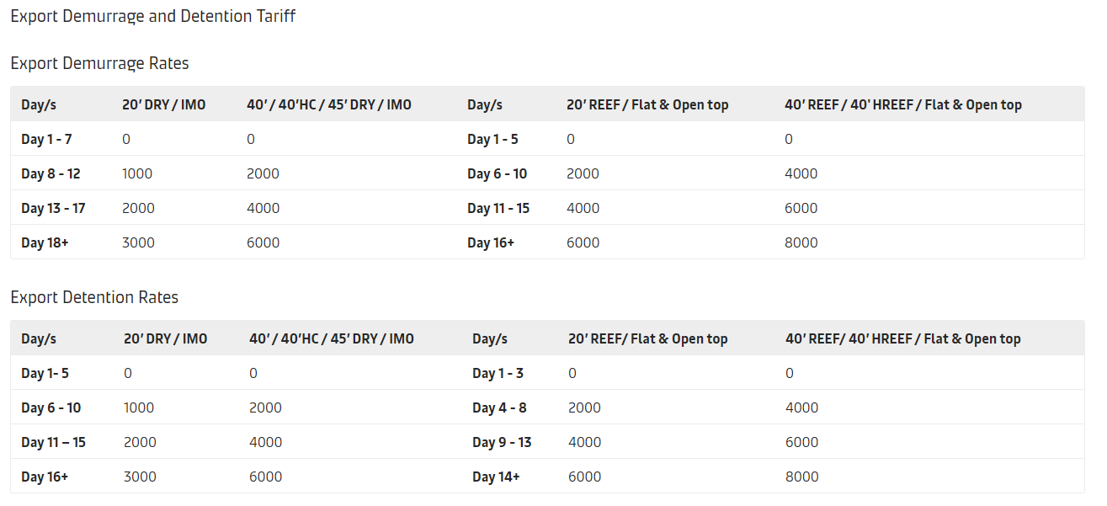

Progressive Scheme
