Cover
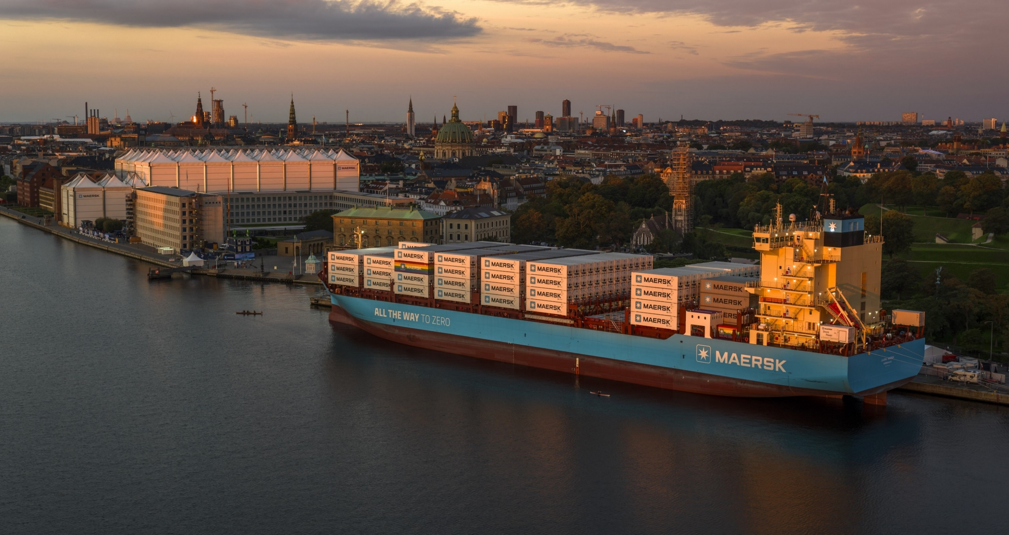

2023
ESG Factbook

Table of content
Reporting and governance
Environmental KPIs
Social KPIs

Governance KPIs
EU regulation reporting
Standards and ESG ratings
Engage

Table of content
Home
Reporting and governance
Table of content
Environmental KPIs
About the ESG Factbook
A.P. Moller - Maersk's (Maersk) ESG Factbook outlines our performance on ESG key indicators. It also includes our reporting against ESG reporting standards and frameworks, including TCFD and SASB, EU regulation, including EU Taxonomy and Principle Adverse Indicators under SFDR, as well as our performance on a select number of prioritised external ESG ratings and benchmarks. The ESG Factbook is a supplement to our Sustainability Report 2023.
The Sustainability Report 2023 can be downloaded here
Social KPIs

Governance KPIs
EU regulation reporting
Content
Reporting and governance
Basis of reporting
Standards and ESG ratings
ESG accounting policies | Basis of reporting
Engage
Changes to our ESG data

ESG governance model
Maersk governance model | ESG governance model
Maersk core values

Double materiality assessment (DMA)
DMA governance and process | Double materiality assessment (DMA)
Value chain mapping
Engaging with key external stakeholders

Strategic ESG targets
Maersk ESG strategy | Strategic ESG targets
Strategic targets

Environmental KPIs
Climate change
Energy consumption | Climate change
Greenhouse Gas (GHG) emissions
Biogenic emissions
Segment-specific climate change KPIs
Board and management oversight

Environment and ecosystems
Air pollutants | Environment and ecosystems
Other resource consumption
Environmental incidents
Management systems

Social KPIs
Human capital
Number of employees | Human Capital
Employee engagement
Employee attraction and retention

Diversity, equity and inclusion (DE&I)
Gender diversity | Diversity, equity and inclusion (DE&I)
Women in management
Target nationalities

Human rights
Human rights training | Human rights

Employee relations and labour rights
Employee relations and labour rights training | Employee relations and rights

Safety and security
Fatalities | Safety and security
Lost-time injury frequency
Safety and security management

Governance KPIs
Corporate governance
Board of Directors | Corporate governance
Chairmanship
Audit Committee
ESG Committee
Remuneration Committee
Nomination Committee
Executive Board

Business ethics
Whistleblower cases | Business ethics
Report outcomes and actions
Business ethics training
Operations covered by a risk assessment on compliance and business ethics

Sustainable procurement
Sustainable procurement management | Sustainable procurement

Responsible tax
Total tax for the year | Responsible tax

Citizenship
Priorities and actions | Citizenship

Data ethics
Data ethics training | Data ethics

EU regulation reporting

Taxonomy summary
EU Taxonomy reporting summary | Taxonomy summary
EU Taxonomy Reporting accounting policies

Taxonomy - Revenue
Share of aligned, eligible but not aligned and non-eligible revenue | Taxonomy - Revenue

Taxonomy - Capex
Share of aligned, eligible but not aligned and non-eligible capex | Taxonomy - Capex

Taxonomy - Opex
Share of aligned, eligible but not aligned and non-eligible opex | Taxonomy - Opex

SFDR - Principal Adverse Impacts (PAI)
PAI indicator index | Principal Adverse Impact (PAI)

Standards and ESG ratings

TCFD
Governance | TCFD
Strategy
Risk management
Metrics and targets

SASB
Greenhouse Gas Emissions | SASB
Air quality
Ecological impacts
Employee Health & Safety
Business ethics
Accident & Safety Management
Activity metrics

ESG ratings
CDP | ESG ratings
EcoVadis
MSCI
S&P DowJones
Sustainalytics
CA100+ Net-Zero Company Benchmark

Engage
Contact information | Engage

Reporting and governance >>
Reporting and governance
Home
Table of content
Basis of reporting
ESG accounting policies | Basis of reporting
Changes to ESG data
Reporting and governance
Basis of reporting
ESG governance model
ESG governance model
Maersk governance model | ESG governance model
Maersk core values
Double materiality assessment (DMA)
Strategic ESG targets
Double materilaity assessment (DMA)
DMA governance and process | Double materiality assessment (DMA)
Value chain mapping
Environmental KPIs
Engaging with key external stakeholders
Social KPIs
Governance KPIs
Strategic ESG targets
Maersk ESG strategy | Strategic ESG targets
Maersk core values
EU regulation reporting
Standards and ESG ratings

Engage

Basis of reporting
Basis of reporting

Home
Table of content
Reporting period
A.P. Moller – Maersk A/S (Maersk) ESG performance data reporting covers the period from 1 January to 31 December 2023.

Reporting and governance
Basis of reporting
ESG Governance model
Double materiality assessment (DMA)
Reporting boundaries and use of reporting frameworks
Our approach to sustainability and ESG reporting is to focus on material issues and activities, in line with a double materiality (DMA) principle, encompassing areas where Maersk may have the largest impacts on people and planet through our activities, or where Maersk is exposed to the most significant financial risks or opportunities. For the first time in 2023, we have done a DMA based on the criteria outlined in the European Sustainability Reporting Standards (ESRS). The results of the DMA have shaped the content of this report. We are guided by the reporting principles set out in the GRI 101: Foundation Standard to determine the report content and quality in terms of materiality, stakeholder inclusiveness, sustainability context, completeness, balance, comparability, accuracy, timeliness, clarity and reliability. For an overview of our use of and alignment with ESG reporting frameworks, incl. SASB and TCFD.
Strategic ESG targets
Environmental KPIs
Social KPIs
Governance KPIs
EU regulation reporting
Standards and ESG ratings
Engage
Scope and consolidation
Unless otherwise stated, the ESG performance data is reported based on the same principles as the financial statements. Thus, the ESG performance data include consolidated data from the parent company, A.P. Møller - Mærsk A/S (Maersk), and subsidiaries controlled by Maersk. Data is collected per legal entity per activity, and the figures are consolidated line-by-line. Consolidation of ESG performance data using financial scope implies that data from the following assets are included: • Owned assets that Maersk financially owns and that are operated by Maersk • Long-term leased-in assets that Maersk treats as capital assets and that are treated as such on Maersk’s balance sheet in accordance with IFRS16 • Leased-out assets that Maersk treats as wholly owned assets in financial accounting and are treated as such on Maersk’s balance sheet (e.g short-term leased-out assets to 3rd-parties). Using financial scope also implies that data from the following assets are not included: • Long-term leased out assets that are treated by the lessee as wholly owned assets in financial accounting and therefore appearing on the lessee’s balance sheet and not Maersk’s i.e. a financial lease.

Technical management of an asset on behalf of third parties follow the same consolidation principles.
The consolidation for Safety (Fatalities and Lost-time injury frequency) data differs from the financial principles described above. Safety data is consolidated using an operational scope approach. This means that Maersk includes all safety data when A.P. Møller - Mærsk A/S or one of its subsidiaries has the governing authority and responsibility for health, safety and environmental management of the people, the processes, and facility. This approach includes contractors and third parties that are working under the oversight, instructions and HSSE management system of Maersk. This approach excludes safety data from assets that are partly owned by Maersk but not within Maersk’s operational control. Mobile assets are included when operated by Maersk. For vessels, the International Safety Management Code Document of Compliance must be held by Maersk to be included in the safety data.

The consolidation of greenhouse gas (GHG) emissions data is based on the financial consolidation approach and stated in accordance with the GHG Protocol: direct emissions from owned and long term leased-in assets as defined by IFRS 16 (scope 1), indirect emissions from purchased electricity and district heating (scope 2), and value chain emissions (scope 3), which also includes emissions related to leased out assets as defined by IFRS 16. To ensure completeness in reported data from our offices, office standards have been developed, which can be used for offices with no production or warehouses. The office standards define average consumption values per FTE and are only used if other more accurate information is not available.

Data from divestments are included until the day of transaction, while data from acquisitions are included from the reporting year following the transaction. In 2023, data from Pilot Freight Services (Pilot), Senator International (Senator) and LF Logistics, which were acquired in 2022, has been included in the ESG performance data. During 2023, the acquisitions of Martin Bencher Group and Grindrod Logistics was completed. Data from these companies will be included in the Sustainability Report 2024. Data from Maersk Supply Services is included up until the divestment date of 15 May 2023.

Emission conversions and calculations
GHG emissions are calculated using conversion factors for energy consumption and other GHG gases. Primary schemes used are AR6 (updated 2022), EMEP/EEA air pollutant emission inventory guidebook (2019 database), IEA (updated 2023), GLEC Framework (updated 2023), DEFRA (updated 2022) and CEDA6 (updated in 2022). The principles for choosing among the schemes for default conversion factors are: • The most recent and internationally recognised schemes are preferred • Specific industry schemes can be included when not in conflict with the above.

Changes affecting the ESG performance data in 2023
For 2023, we have restructured the energy performance data to more clearly indicate the types of fuels and the share of energy consumption that are based on fossil and renewable sources. We have also aligned the unit of measurement for energy consumption in the ESG performance table to further enhance the readability and comparability of our energy consumption data and restated comparison year numbers back to 2020 accordingly. Likewise, we have aligned the unit of measurement for Number of employees from FTE’s to headcounts, which is also used to calculate our DE&I KPIs. We have restated comparison year numbers accordingly. The FTE numbers continues to be available in our Annual Report.

In alignment with our ESG Strategy, we have for the first time included the share of global leadership upskilled in Maersk Safety & Security Principles, as well as the share of the procurement staff that has been trained in sustainable procurement. Furthermore, and in preparation for the EU CSRD requirements, we have introduced a new energy and climate change-related intensity KPIs in our report along with KPIs related to biogenic CO2 and air pollutants, including NMVOCs, carbon monoxide, particulate matter (PM10.5, PM 2.5 and black carbon).

Hence, from 2023, the following new KPIs have been included in our ESG performance data:

Environment: • Climate change: Renewable electricity • Climate change: Green fuels • Climate change: Share of renewable energy • Climate change: Energy intensity (based on revenue) • Climate change: GHG emission intensity (based on revenue) • Climate change: Biogenic emissions (scope 1, 2, 3) • Environment & Ecosystems: Air pollutants (particulate matter, black carbon, carbon monoxide, NMVOCs) Social: • Safety & Security: Global Leadership (top 1,200 leaders) upskilled in Maersk Safety & Security Principles Governance: • Sustainable Procurement: Procurement staff trained in Sustainable Procurement (SP)

Changes made to align with new science-based targets Maersk submitted GHG reduction targets to the Science-Based Target initiative (SBTi) for validation in June 2023, which were validated in September 2023. For SBTi alignment, the submission required a restatement of 2022 data reported in the sustainability report. Maersk followed the maritime and general guidance for SBTi for the target setting and determined the year 2022 to be representative of its current and future operations as an integrated logistics company. Key changes to the baseline compared to previously reported 2022 climate change data are: • Inclusion of emissions from recent acquisitions, namely Pilot, Senator and LF Logistics • Exclusion of emissions from recent divestments, namely, Maersk Supply Service • Inclusion of emissions from joint ventures and associate companies based on equity share in line with SBTi requirements • Inclusion of emissions for liners serviced at APM Terminals under use of sold products in line with SBTi requirements

When including acquisions, we noted in the case of Pilot and Senator sites, gathering actual electricity consumption for 2022 was not possible due to the lack of data owing to previous operational processes within these acquisitions. To ensure completeness of the baseline submitted for SBTi, APMM gathered data on characters per site in these acquisitions (mainly area in square meters). The electricity consumption for 2022 was modelled based on publicly available EU estimates for non-residential sites. Location based estimates of emission were calculated using IEA factors. For market based estimates, it was assumed that the sites only use the residual electricity mix. We note that the 2022 electricity emissions estimates are likely conservative. For 2023, the acquisitions has provided actual consumption based on invoices. The actual data indicate a significant lower consumption and related scope 2 emissions than was estimated in 2022 and this is the main driver for the reduction in these numbers from 2022 to 2023. The above changes made to align with the SBTi targets led to a 6% increase in our total 2022 GHG emissions compared to previously reported data.
...

ESG Governance model
Home
ESG governance model
Table of content
Responsibility for ESG is anchored with the company’s Board of Directors, who endorses the overall ESG strategy and approves major investments such as the green methanol-enabled vessels.

Reporting and governance
The Audit Committee ensures oversight of key ESG risks and external reporting and receive regular updates on our ESG reporting process.

Basis of reporting
ESG governance model
Double materiality assessment (DMA)
In 2023, a new ESG Committee was established within the Board of Directors with the primary purpose of supporting the development of our overall ESG strategic direction, acting as a sparring partner for the ELT and supporting the Board with strategy insights into specific ESG matters. This Committee meets quarterly to discuss selected deep dives on strategic topics throughout the year. Among the topics discussed in 2023 were our ESG and decarbonisation commitments, the current and emerging regulatory landscape for ESG, human and labour rights, diversity, equity and inclusion (DE&I) and ESG targets for executive remuneration – the latter is incorporated into the Long Term Incentive programme and scorecard for approval by the Remuneration Committee.

Environmental KPIs
Social KPIs
Strategic ESG targets
In early 2023, Maersk announced a new organisational structure and a new Executive Leadership Team (ELT), following the appointment of Vincent Clerc as CEO. As a result of these organisational changes, new ELT members took over sponsorship for several ESG categories ensuring continued ownership and leadership focus. Sponsorship includes driving initiatives forward and being accountable to the full executive team and Board of Directors for delivering on all targets. To facilitate oversight and support decision-making for strategic dilemmas and risks through the year, ESG progress updates are provided to the ELT quarterly for our strategic KPIs and biannually for all 14 categories. Each of the 14 ESG categories are owned and led by a member of the Executive Leadership Team ELT, who drives the initiatives forward and is responsible towards the full executive team and the Board of Directors for delivering the intended outcomes.

Governance KPIs
EU regulation reporting
Standards and ESG ratings
At the ELT level, the Risk and Compliance Committee (RCC) is the main governance forum for ESG as well as other key risk and compliance processes and topics across Maersk, including our internal Commit governance framework* and enterprise risk management. The RCC meets quarterly to discuss the quarterly and bi-annual updates on ESG progress and KPIs that are subsequently shared with the full ELT, as well as deep dives across ESG categories. In 2023, key topics discussed included the update of Maersk’s Science-Based Targets, DE&I progress, human and labour rights, review of the sustainable procurement programme, and ESG reporting. With the RCC now having oversight across ESG categories, the Decarbonisation and ESG steering committees were discontinued.

Engage
* Maersk's Commit Governance framework sets the foundation for how we are committed to work in Maersk to ensure compliance with relevant laws, regulations and responsible business practices as well as ensure adequate risk mitigation. Having one set of rules that applies to all brands helps employees understand how to live up to our Core Values and the standards set in the Code of Conduct.
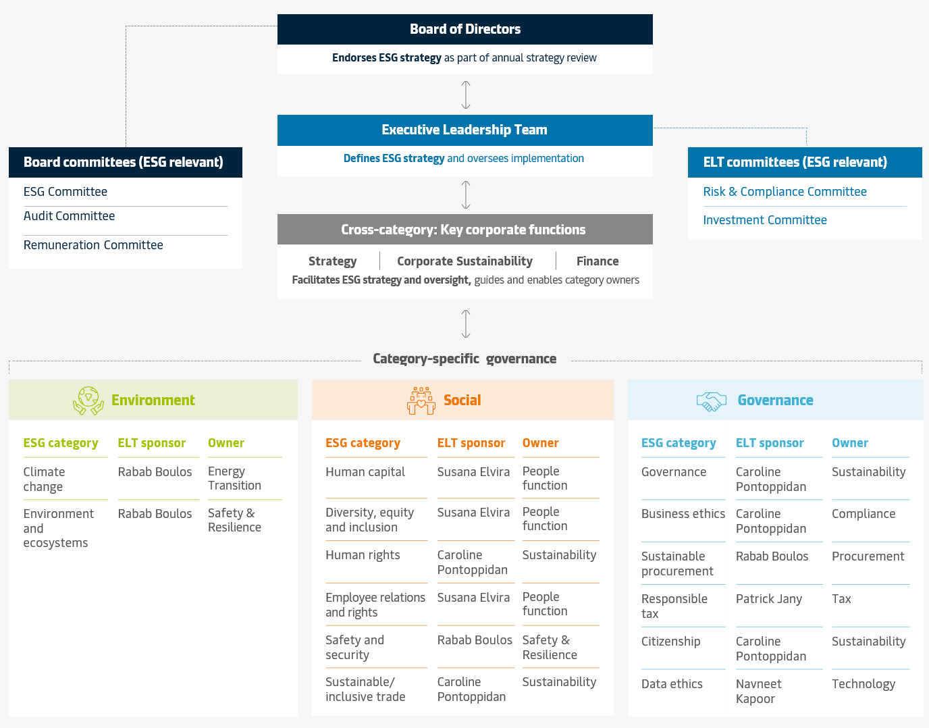

Maersk core values
Maersk builds on an impressive heritage of pioneering success and growth. Our long legacy and our values guide our business every day and also ensure that we can do business tomorrow. We have always explored new frontiers and embraced new technologies because we see change as an opportunity. And by living our values, we inspire trust in our efforts to integrate the world.

Constant care Take care of today, actively prepare for tomorrow. Whether solving today’s challenges or exploring opportunities to shape the future, we anticipate, innovate and strive to improve everything we do.

Humbleness Listen, learn and share to create value for others. We stay curious, open-minded and respect other perspectives, always seeking to learn from each other, our customers, and the world around us. We only succeed together.

Our employees The right environment for our people. Connected by real purpose, we create opportunities to grow, develop and exceed expectations. We win together as a diverse and global workplace where people feel safe, valued and empowered.
...

DMA
Home >
Home
Table of content
Environmental KPIs
Social KPIs
Governance KPIs
Reporting and governance
Basis of reporting
ESG governance model
Double materiality assessment (DMA)
Strategic ESG targets
EU regulation reporting
Standards and ESG ratings
Engage
 | Double materiality assessment (DMA)
 | In preparation for the EU CSRD reporting requirements, which will be mandatory from 2024, we have in 2023 updated our double materiality assessment. The results of this initial assessment, illustrated below, confirm that the material topics of Maersk’s ESG strategy are also those that come out as most material, including Climate Change, Safety, DE&I and Business ethics. Political engagement/lobbying, a topic that does not have its own ESG category within our ESG strategy, but cuts across topics, was identified as a material issue comprising of both potential positive and negative impacts. Recognising our global presence and the nature of our business as an integrator of global supply chains, this is not an exhaustive list, but shows where Maersk may have the largest impacts on people and planet through our activities, or where Maersk is exposed to the most significant financial risks or opportunities. Some topics such as microplastics, substances of concern, water discharges, and marketing practices were identified as relevant in the assessment but fell below the thresholds applied for materiality. Maersk has already for many years been guided by a double materiality perspective as the foundation for our ESG strategy and reporting. The criteria of the European Sustainability Reporting Standards add more rigour to the assessment through a common set of requirements for how to conduct and report on double materiality, aligning closely with recognised standards such as the OECD guidelines on Responsible Business Practices. For example, all topics were assessed for severity, which covers an assessment of scale, scope and remediable character of the topic – concepts we already apply in the identification of our salient human rights issues. Our focus in 2023 has been on establishing a foundation and robust methodology aligned with the approach and criteria outlined in the ESRS. Going forward we will continue the work to further mature, develop and refine our approach in l
 | To assess impact materiality of ESG topics, separate scoring sheets capturing impact materiality across the 10 topical standards were developed and validated within each of the workstreams. Scoring has been performed at topic, sub-topic and in some cases sub-sub-topic level. Where available, our scoring utilises existing methodologies and assessments such as Maersk’s most recent human rights impact assessments and relevant management systems and quantitative materiality thresholds. Scale, scope, and irremediable character of each topic where Maersk has an actual impact were assessed using a scale of 1-5. For topics where Maersk has potential impacts, the likelihood of such impacts were also assessed. The impact materiality of such topics was determined by looking at the Severity (scale, scope, irremediable character) and likelihood - each with a 50/50 weighting. In relation to human rights-related topics, Severity was assigned a higher weighting (75%) compared to likelihood (25%) in determining the impact materiality. For financial materiality, the assessment of risks to Maersk is being conducted together with the Enterprise Risk Management (ERM) team based on an assessment of financial cost and reputational risk of topics. The financial risk assessment will be integrated into the ERM process going forward including modelling of financial opportunities as part of this process. This year, 9 topics were quantified using scenario-based modelling, all of which were financial risks to Maersk. The remaining topics were assessed qualitatively, and work will continue in 2024 to develop a model for quantification for more topics where feasible.
 | Value chain mapping As part of our double materiality assessment, we have assessed material impact across our operations and value chain as shown below. These impacts are not exhaustive but highlight some of our key material impacts and the variety of impacts from our activities as an integrator of global supply chains, across many stakeholder groups. Engaging with key external stakeholders To inform our double materiality assessment we consider the perspectives of our key stakeholders. This year, we mapped our external stakeholders considering both stakeholders that may be directly impacted by our activities or those who are users of the information that we publish. Seven prioritised stakeholder groups were identified. Through various channels, colleagues and teams across Maersk regularly engage with these stakeholder groups and collect valuable insights on topics that are important to them. As an example, our bi-annual engagement survey gives key insight into the expectations of our employees (read more on p. 36 in the Sustainability Report 2023). This insight informs our assessment of material issues and underpins the development of our solutions and initiatives in delivering on our ESG commitments and KPIs. During 2024, we will work towards strengthening our format for directly collecting and incorporating external stakeholder perspectives into our double materiality process to ensure that stakeholder perspectives are continuously reflected in our ESG strategy.

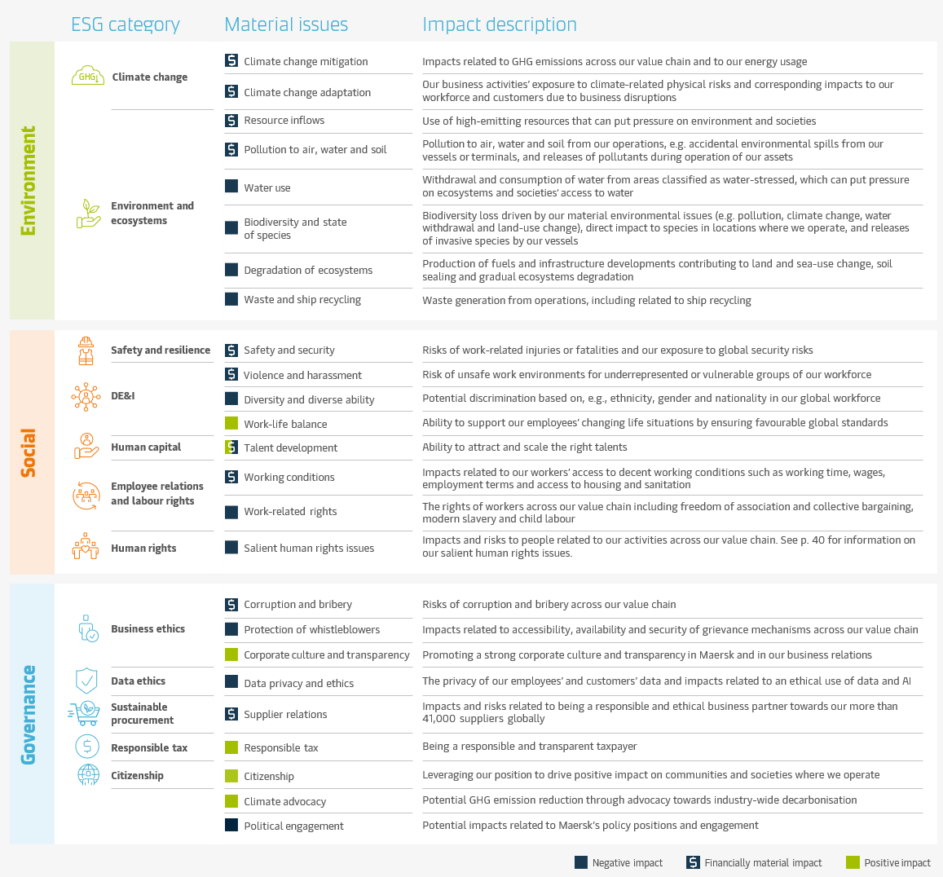

 | 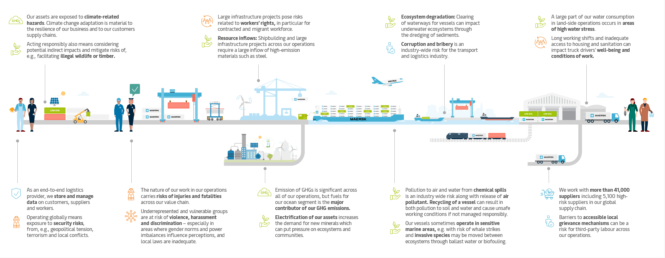

Strategic ESG Targets
< Return to home

Home
Strategic ESG targets

Table of content
Reporting and governance
Basis of reporting
Maersk ESG strategy
A.P. Moller - Maersk’s (Maersk’s) ESG strategy was launched in early 2022. Building on many years of sustainability progress, the strategy charts an even more ambitious course and establishes ESG as core to our purpose and intrinsic to our strategy and operations. Working actively and strategically with all aspects of sustainability risks and impacts is today a baseline requirement from our customers, investors, employees, regulators and broader society.

ESG governance model
Double materiality assessment (DMA)
Strategic ESG targets
The ESG strategy encompasses all material sustainability impacts, risks and opportunities for Maersk, centred around three core commitments with supporting KPIs and targets: 1. We will take leadership in the decarbonisation of logistics 2. We will ensure that our people thrive at work by providing a safe and inspiring workplace 3. We operate based on responsible business practices

Environmental KPIs
Social KPIs
Governance KPIs
EU regulation reporting
Standards and ESG ratings
Engage
These represent the areas where Maersk can create the most significant impact due to our company’s position, size and reach, and which are critical to the success of our Global Integrator strategy.
This year, we are introducing changes to some of the strategic KPIs going forward. On Climate change, our new validated science-based targets for 2030 and 2040 will replace the previous targets launched in early 2022. The training targets for Business ethics and Data ethics, set for 2023, will be carried over as annual targets going forward. On Safety and security, the Learning Teams target will also carry over as an annual target, while the leadership training target is being rescoped. We report towards all current targets in this 2023 report. Looking ahead, external expectations and regulatory reporting requirements will continue evolving, and new ESG landscapes are taking shape regionally and globally - raising the need to revisit our existing strategy. This work will take place in 2024, and we will also revisit our ambition levels to reflect the outcomes of the updated double materiality assessment conducted this year.
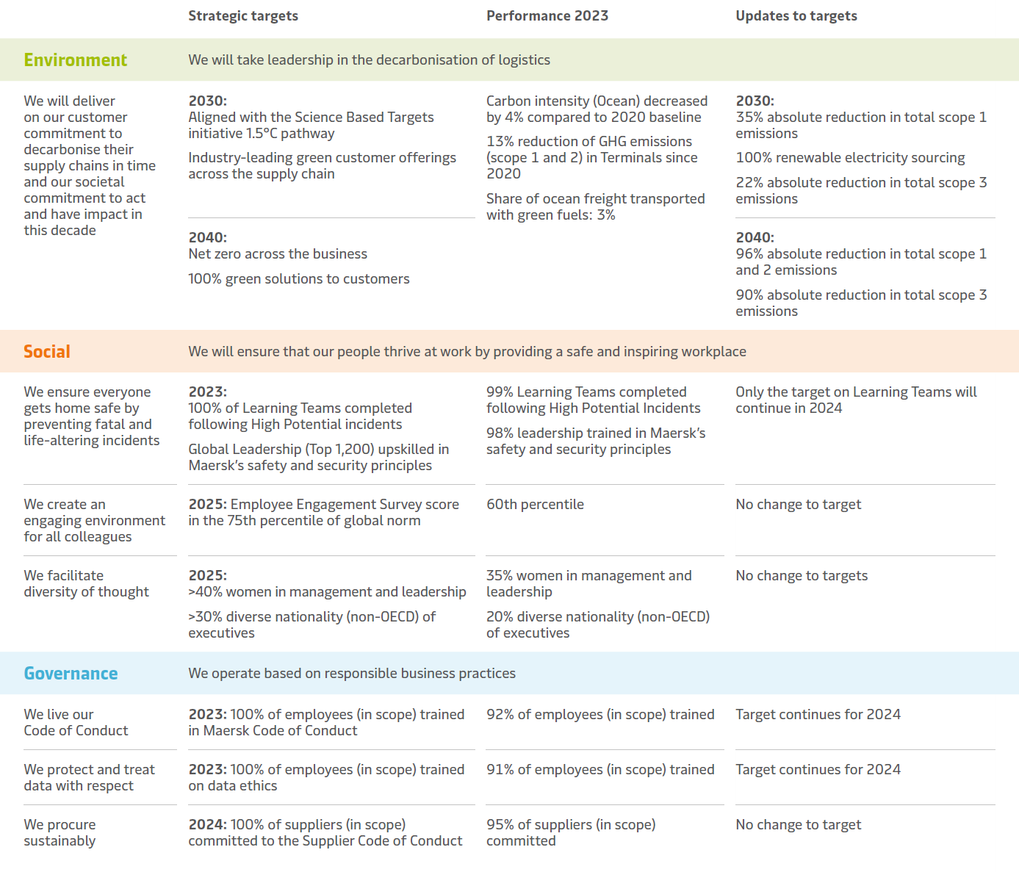

Environmental >>
Environmental KPIs

Home
Table of content
Climate change
Energy consumption | Climate change
Greenhouse Gas (GHG) emissions
Reporting and governance
Biogenic emissions
Segment specific climate change KPIs
Environmental KPIs
Board and management oversight
Climate change
Environment and
ecosystems
Environment and ecosystems
Air pollutants | Environment and ecosystems
Other resource consumption
Social KPIs
Environmental incidents
Governance KPIs
Management systems

EU regulation reporting

Standards and ESG ratings

Engage

Climate change
Climate change

Table of content
Home
Why it matters The world is facing a climate emergency. We see it as our obligation – as an industry leader and with the resources available to us – to do all we can to get to net zero GHG operations as fast as possible and to help our customers decarbonise their global supply chains end-to-end.

Reporting and governance
Ambition We will deliver an emergency response to the climate crisis and take leadership in the transformation of the transport and logistics sector to net zero operations.

Environmental KPIs
Climate change
Policies and resources
Sustainability Report 2023, pages 18-27
Maersk.com - climate change
Green finance framework
Environment and
ecosystems
Maersk positions on climate change regulation and lobbying
Maersk' CDP submission
Social KPIs
Maersk Greenhouse Gas Emissions Recalculation Policy
Governance KPIs
Science-based targets
EU regulation reporting
Standards and ESG ratings
In 2023, Maersk also became the first in the shipping industry to have its 2030 and 2040 targets validated by the Science-Based Targets initiative (SBTi) in alignment with a 1.5°C and net zero pathway. These new targets, which are critical to our decarbonisation efforts, and to aligning with our customers’ targets, include specific sub-targets for our scope 1, 2 and 3 emissions and will replace previous targets announced in early 2022

Engage
In 2023, Maersk had a total GHG footprint of 79.5 million tonnes, a decrease of 4.1% compared to 2022 (see table below). The decrease was mainly driven by reduced purchases of capital goods (scope 3), and reduced fuel consumption (scope 1 and 3). Moreover, to align with our SBTi validated targets, the 2022 baseline has been recalculated, which led to a 6% increase of previously stated emissions. See the accounting policies pp. 55-61 in the Sustainability Report 2023 for more detailed explanations on the changes. As part of the work to set SBTi-aligned targets, we have significantly improved the methodology for calculating scope 3 emissions increasing our share of emissions that is estimated based on activity data from 50% to 82%. Our new targets therefore reflects a clearer understanding of our performance with a shift from spend-based estimates to activitybased estimates. This methodology eliminates the effect of operational and administrative charges which do not actually lead to emissions, and inflationary effects that cause uncertainty in spend-based estimates.
Aligning our roadmap to the Science-Based Targets initiative pathway The Science Based Targets initiative (SBTi) is a widely adopted framework for setting corporate climate targets in line with the 2015 Paris agreement's pathway limiting global temperature rise to 1.5°C. The number of companies adopting SBTi targets – many of whom are our customers – has doubled each year over the past eight years. In early 2022, Maersk announced an accelerated net zero 2040 target, including key milestones needed by 2030 from a 2020 baseline, and committed to aligning our targets with the SBTi 1.5 degree pathway to 2030 and the 2040 net zero standard. Following the publication of the long-awaited SBTi sectoral framework for maritime shipping in late 2022, we have during 2023 done extensive work to prepare and submit 2030 and 2040 targets. These have successfully been validated by the SBTi as the first in the shipping industry, allowing us to deliver on our public commitment to externally verified emissions reduction targets. The SBTi-validated targets are not directly connected to our previous business segment sub-targets. They have a different baseline year (2022), reflecting that 2022 is a more representative baseline compared to the previous two years of pandemic and also enables us to take recent acquisitions into account in our baseline. A significant change is that they are all absolute emissions reductions targets rather than relative intensity targets, and for the first time we are setting specific targets for scope 1, scope 2 and scope 3 emissions across Maersk, with required sub-targets for certain operations and GHG sources - in particular related to ocean activities as we follow the maritime sector framework. While our overall roadmap to decarbonise remains the same, our new targets will require additional effort in certain business areas. In this year’s report we continue to report towards the previous targets, and will commence reporting on the new validated SBTi tar

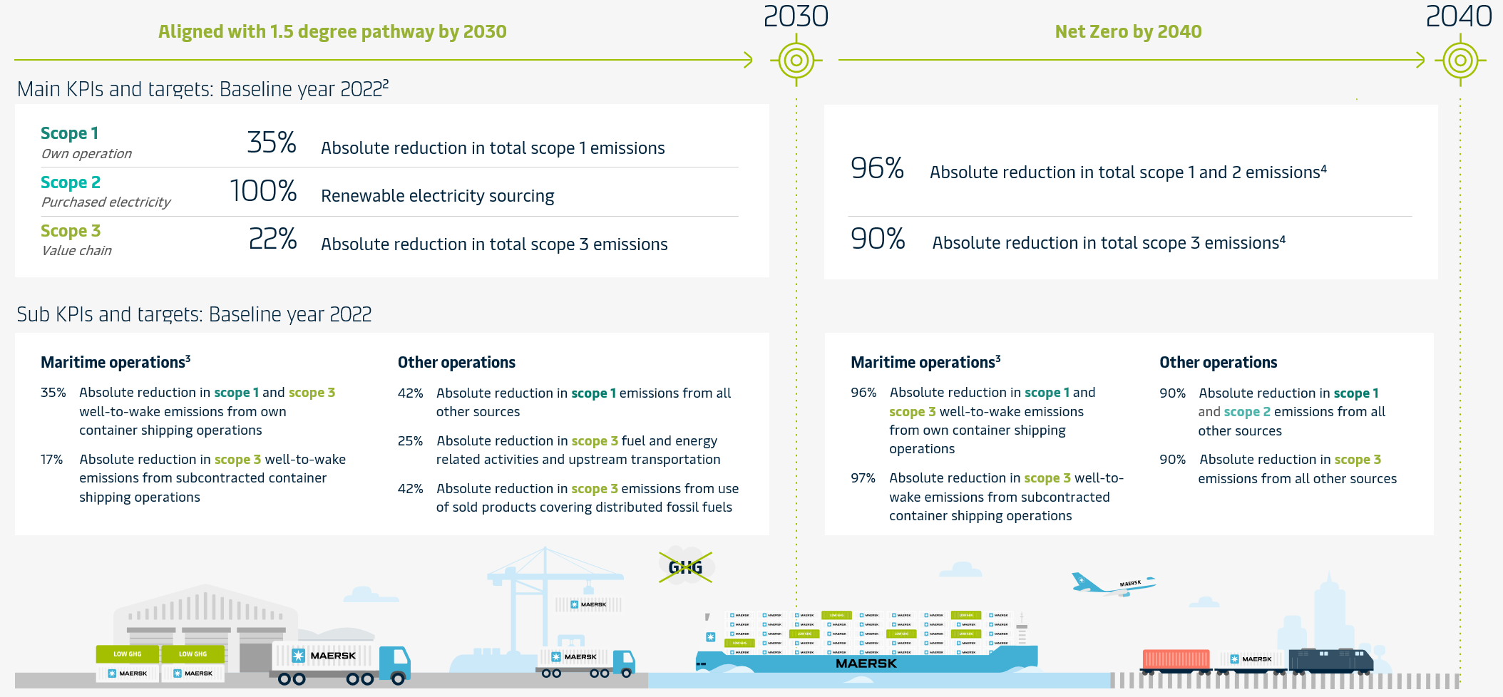
 |  |  |  |  | 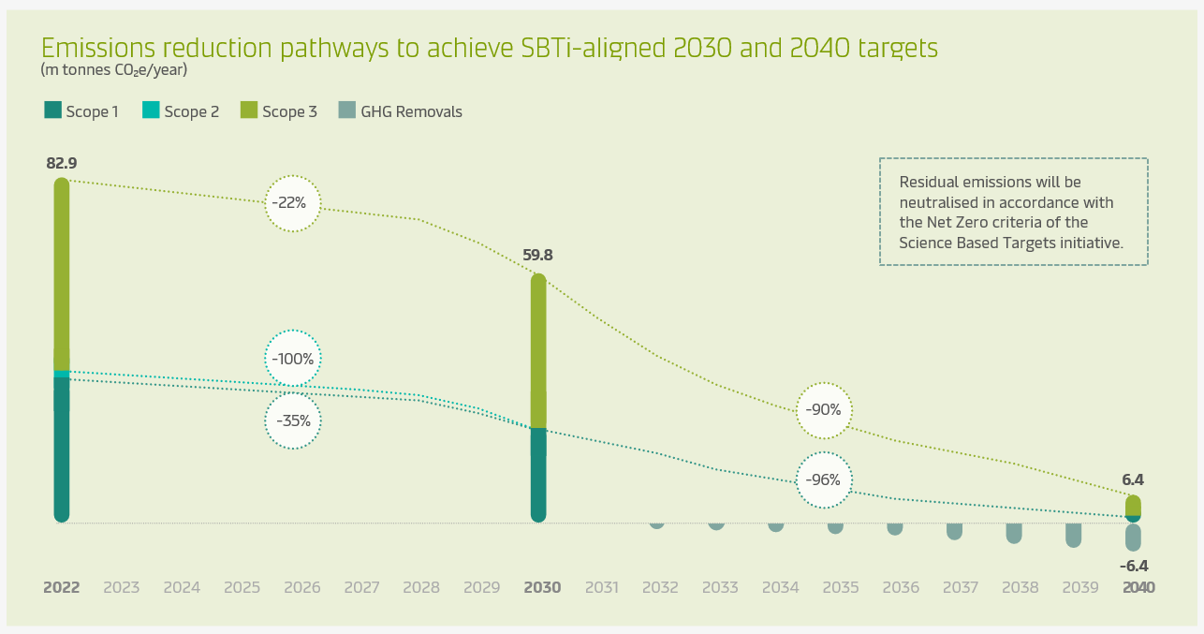

2. Please refer to the Climate Change section of our Sustainability website for specific details on the science-based targets shown in this overview. 3. Following the maritime sectoral framework, the sub-targets for maritime operations cover emissions from fuels across scope 1 and 3 (well-to-wake). Well-to-wake emissions refer to the sum of upstream (well-to-tank) and downstream (tank-to-wake) emissions. 4. Residual emissions will be neutralised in accordance with the Net Zero criteria of the Science Based Targets initiative.

KPIs |  |  |  |  |  |  |  |  | ACCOUNTING POLICIES

Energy consumption

Indicator | Unit | Target | 2023 | Development since last year | 2022 | 2021 | 2020 | 2019 | Energy consumption
Total energy consumption | GWh |  | 116,526 | -6% | 124,223 | 129,599 | 120,176 | - | Total energy consumption is the sum of fossil energy consumption and renewable energy consumption.
Share of renewable energy | % |  | 2 | 0 | 2 | 0 | 0 | - | The share of renewable energy is the percentage of total energy consumption that is derived from renewable energy sources.
Energy intensity (based on revenue) | GWh/million USD |  | 2.28 | 50% | 1.52 | 2.10 | 3.02 | - | Energy intensity is the total energy consumption per unit of revenue (million), as stated in the Annual Report.
Fossil energy consumption |  |  |  |  |  |  |  |  | Fossil energy consumption encompasses all fossil-based energy consumption that is consumed/combusted at Maersk controlled entities/vessels. Fossil energy consumption includes the following: • Fuel oil, incl. heavy fuel oil, marine diesel oil, gasoline, diesel and kerosene • Gas fuels, incl. liquified petroleum gas (LPG), liquefied natural gas (LNG) and natural gas • Other fuels, incl. heating oil and cylinder oil • Electricity and heating
...

Environ. & Ecosystems
Environment and ecosystems

Table of content
Home
Why it matters We have a responsibility to minimise negative environmental impacts from our operations, in compliance with regulations, and to live up to the requirements and expectations of our customers and other key stakeholders.

Reporting and governance
Ambition We see ourselves as active citizens of the Earth, operating on the oceans and increasingly on land. We are committed to doing as little harm as possible while actively participating in restoring ocean and land health, as well as protecting habitats and biodiversity where we operate. We aspire to be recognised by our stakeholders for our commitment and actions.
Environmental KPIs
Climate change
Environment and ecosystems
Policies and resources
Sustainability Report 2023, pp. 28-31
Maersk.com - Environment & Ecosystems
Ship recycling position
Maersk Responsible Ship Recycling Standard
Social KPIs
Governance KPIs
KPIs

EU regulation reporting
Air pollutants

Standards and ESG ratings
Engage
Indicator | Unit | Target | 2023 | Development since last year
SOx | 1,000 tonnes |  | 90 | -10%
NOx | 1,000 tonnes |  | 672 | 10%
NMVOCs | 1,000 tonnes |  | 16 | -43%
CO | 1,000 tonnes |  | 77 | 39%
PM10 | 1,000 tonnes |  | 49 | -4%
PM2.5 | 1,000 tonnes |  | 38 | -12%
Black Carbon | 1,000 tonnes |  | 3 | 2%

Other resource consumption

Indicator | Unit | Target | 2023 | Development since last year
Waste | 1,000 tonnes |  | 533
...

Social >>
Social KPIs

Home
Table of content
Human capital
Number of employees | Human Capital
Employee engagement
Employee attraction and retention
Reporting and governance
Environmental KPIs
Social KPIs
Diversity, equity and inclusion (DE&I)
Gender diversity | Diversity, equity and inclusion (DE&I)
Women in management
Nationalities
Human capital
Diversity, equity and inclusion (DE&I)
Human rights
Human rights training | Human rights

Human rights
Employee relations and labour rights
Employee relations and labour rights
Employee relations and labour rights training | Employee relations and rights

Safety and security
Governance KPIs
Safety and security
Fatalities | Safety and security
Lost-time injury frequency
Safety and security management
EU regulation reporting
Standards and ESG ratings

Engage

Human capital
Human capital

Table of content
Home
Why it matters To deliver on the ambitions of our Global Integrator business strategy, Maersk is dependent on highly engaged employees and significant new capabilities within, for example, technology, data analysis, leadership and sales and marketing. These are all areas where the global competition for talent is fierce. A highly engaged workforce is also essential to delivering on the aspirations of our ESG strategy. Conversely, establishing ourselves as a leader in ESG can be a key enabler to attracting talent in these areas.

Reporting and governance
Ambition We aspire to create an engaging environment for all colleagues and to become a company where our employees can develop and have thriving careers.

Environmental KPIs
Social KPIs
Policies and resources
Sustainability Report 2023, p.37
Maersk.com - Human Capital

Human capital
KPIs
Diversity, equity and inclusion (DE&I)
Number of employees

Human rights
Employee relations and labour rights
Indicator | Unit | Target | 2023 | Development since last year
Total number of employees | Headcount |  | 108,934 | 14%
Employees by job category
Safety and security
- Frontline employees | Headcount |  | 30,649 | 78%
- Office-based employees | Headcount |  | 66,001 | 7%
Governance KPIs
- Seafarers | Headcount |  | 12,284 | -24%
- Unknown | Headcount |  | 0 | -100%
EU regulation reporting
Employees per region
- Asia Pacific Region | Headcount |  | 28,269 | 48%
Standards and ESG ratings
- Europe Region | Headcount |  | 34,624 | 1%
Engage
- Indian subcontinent, Middle East & Africa Region | Headcount |  | 21,817 | 4%
- Latin America Region | Headcount |  | 10,708 | 3%
- North America Region | Headcount |  | 13,516 | 59%
- Unknown | Headcount |  | 0 | -100%
Employees per nationality
- India | Headcount |  | 21,511 | 4%
- China | Headcount |  | 13,072
- Philippines | Headcount |  | 9,254
- US American | Headcount |  | 9,137
- Brazilian | Headcount |  | 3,304
- Denmark | Headcount |  | 3,080
- Other | Headcount |  | 49,576
...

Employee relations and rights
Employee relations and labour rights

Home
Why it matters The way we treat our employees and their representatives is fundamental to the way we want to do business. This begins with ensuring respect for internationally recognised labour rights in all our workplaces.

Table of content
Reporting and governance
Ambition Employee relations and labour rights are an essential part of Maersk’s Social ambition. We offer decent, fair and equitable working conditions for all our people. We identify risks for employees and third-party labour, and implement mitigating and preventive actions to ensure that our growth adequately considers our full social responsibilities.

Environmental KPIs
Social KPIs
Policies and resources
Sustainability Report 2023. p. 39
Maersk.com - Employee Relations & Rights
Human capital
Code of Conduct
Supplier Code of Conduct
Diversity, equity and inclusion (DE&I)
KPIs
Human rights
Employee relations and labour rights
Employee relations and labour rights training

Safety and security
Governance KPIs
EU regulation reporting
Indicator | Unit | Target | 2023 | Development since last year
Employee relations and labour rights training | Completion rate | 100% by 2023* | 90 | 7 %-points
*Target will continue in 2024.
Standards and ESG ratings

Engage

DE&I
Diversity, equity and inclusion (DE&I)

Table of content
Home
Why it matters It is a Core Value in Maersk and a basic responsibility not to discriminate against our employees. Discrimination bars people from living up to their full potential, creates inequality and less stable and prosperous societies. Moreover, we need diversity of thought to continue to improve and develop our business. Facilitating a culture where everyone feels comfortable and is treated fairly, will help us gain access to a larger, more diverse pool of talent.

Reporting and governance
Ambition We want to facilitate diversity of thought and create a more diverse, equitable and inclusive workplace at Maersk, where our employees feel able to bring their whole selves to work and contribute to their fullest. A key priority is to foster gender diversity as this is our largest gap and where there is particular spotlight on company performance.
Environmental KPIs
Social KPIs
Policies and resources
Sustainability Report 2023, pp. 37-38
Maersk.com - DE&I
Human capital
Code of Conduct
Diversity, equity and inclusion (DE&I)
Diversity and Inclusion Policy
Anti-discrimination, Harassment, Bullying and Violence Policy

Human rights
KPIs
Employee relations and labour rights
Gender diversity

Safety and security
Governance KPIs
Indicator | Unit | Target | 2023 | Development since last year
Gender - female/total | % (headcount) |  | 34 | 1 %-points
EU regulation reporting
Women in management and leadership

Standards and ESG ratings
Engage
Indicator | Unit | Target | 2023 | Development since last year
Women in management (Job Level 4+ - % based on headcount) | % (headcount) | 40 by 2025 | 35 | 2 %-points
Women in leadership (Job Level 6+ - % based on headcount) | % (headcount) | 30 by 2025 | 27 | 1 %-points

Target nationalities

Indicator | Unit | Target | 2023 | Development since last year
Target nationalities/total (% based on headcount) | % (headcount) |  | 67 | 0 %-points
Target nationalities in executive leadership (Job Level 8 & 9 -% based on headcount) | % (headcount) | 30 % by 2025 | 20 | 4 %-points

Human rights
Human rights

Table of content
Home
Why it matters Many aspects of our business touch on human rights, including our employees' working conditions, health and safety, how our vessels are recycled, how we use digital data and technologies, and our suppliers' business practices. Our conduct within our own business and through our business relationships can therefore have a significant impact on society, both positive and negative. Further, increasing regulation and growing expectations from our stakeholders confirm that human rights is a material topic for Maersk.

Reporting and governance
Ambition Continue aligning our business practices with the UN Guiding Principles, and ensure that human rights considerations are integrated into our due diligence processes and ESG governance mechanisms.
Environmental KPIs
Social KPIs
Policies and resources
Sustainability Report 2023, p. 40
Maersk.com - Human Rights
Human capital
Code of Conduct
Diversity, equity and inclusion (DE&I)
Supplier Code of Conduct
Human Rights Policy Statement
Human rights
Modern slavery statement 2022
Just transition
Employee relations and labour rights
KPIs
Safety and security
Human rights training

Governance KPIs
EU regulation reporting
Standards and ESG ratings
Indicator | Unit | Target | 2023 | Development since last year | 2022
Targeted human rights trainings | Number of key functions |  | 6 | 100% | 3

Engage
The human rights training in 2023 targeted several key functions and human rights issue owners. This includes targeted training for employees within the functions of Commercial Sustainability, Sustainable Procurement, APM Terminals Procurement, APM Terminals Project Execution, Maersk Delivery and M&A.

Maersk continued its follow up on a 2021 complaint through the Danish Mediation and Complaints-Handling Institution for Responsible Business Conduct (NCP Denmark) around the activities of a joint venture in Cameroon. Maersk disagrees with the allegations and continues its ongoing engagement with NCP Denmark.

Safety & Security
Safety and security

Table of content
Home
Why it matters Safety and security at work is a basic human right, and we have a duty of care to keep our employees and anyone operating on our sites safe. It is a Core Value and a responsibility for us as a company towards our employees, their families and communities.

Reporting and governance
Ambition We ensure everyone gets home safe by preventing fatal and life-altering incidents.

Environmental KPIs
Social KPIs
Policies and resources
Sustainability Report 2023, pp. 34-35
Maersk.com - Safety & Security
HSSE Policy
Human capital
KPIs
Diversity, equity and inclusion (DE&I)
Fatalities
Human rights
Employee relations and labour rights
Safety and security
Indicator | Unit | Target | 2023 | Development since last year
Fatalities | Headcount |  | 4 | -56%
...of which involved own employees | Headcount |  | 2 | -33%
...of which involved contractors or third-parties | Headcount |  | 2 | -67%
Governance KPIs
Lost-time injury frequency
EU regulation reporting
Standards and ESG ratings
Engage
Indicator | Unit | Target | 2023 | Development since last year
Lost-time injury frequency (LTIf) | Rate |  | 1.11 | 19%
Lost time incident | Number |  | 376 | 33%
Exposure hours | Number of hours |  | 338,850,661 | 12%

Safety and security management

Indicator | Unit | Target | 2023 | Development since last year
Learning Teams completed following a High Potential Incident | Completion rate | 100% by 2023* | 99 | 16 %-points
Global Leadership (top 1,200 leaders) upskilled in Maersk Safety & Security Principles | Completion rate | 100% by 2023 | 98 | -
*Target will continue in 2024.

Governance >>
Governance KPIs

Home
Table of content
Corporate governance
Board of Directors | Corporate governance
Chairmanship
Audit Committee
Reporting and governance
ESG Committee
Remuneration Committee
Environmental KPIs
Nomination Committee
Social KPIs
Executive Board (Executive Leadership Team)

Governance KPIs
Corporate governance
Business ethics
Whistleblower cases | Business ethics
Actions and outcomes of whisteblower cases
Business ethics
Code of conduct training
Operations covered by a risk assessment on compliance and business ethics
Sustainable procurement
Responsible tax
Sustainable procurement
Sustainable procurement management | Sustainable procurement
Citizenship
Data ethics
Responsible tax
Total tax for the year | Responsible tax

EU regulation reporting
Standards and ESG ratings
Citizenship
Priorities and actions | Citizenship

Engage
Data ethics
Data ethics training | Data ethics

Corporate governance
Corporate governance

Home
Ambition Taking a robust and proactive approach to corporate governance secures investor and public confidence in the way we do business, including our approach to sustainability.

Table of content
Reporting and governance
Policies and resources
Annual Report 2023
Maersk Corporate Governance
Environmental KPIs
Our leadership
Sustainability Report 2023
Social KPIs
Governance KPIs
KPIs

Corporate governance
Board of Directors

Business ethics
Sustainable procurement
Responsible tax
Indicator | Unit | Target | 2023 | Development since last year
- Members | Number |  | 9 | 13%
- Average age | Years |  | 55 | 3%
Citizenship
- Average seniority | Years |  | 5 | 0%
- Gender - female /total | % |  | 33 | -4.5 %-points
Data ethics
- Independence - independent /total | % |  | 44 | -6 %-points
- Nationality - Danish /non-Danish split | % |  | 22/78 | +/- 9 %-points
EU regulation reporting
- Meetings | Number |  | 9 | -25%
Standards and ESG ratings
- Attendance rate | % |  | 96.2 | -3.8 %-points

Engage
Chairmanship

Indicator | Unit | Target | 2023 | Development since last year
- Members | Number |  | 2 | 0%
- Gender - female /total | % |  | 0 | 0 %-points
- Independence - independent /total | % |  | 0 | -50 %-points
- Meetings | Number |  | 8 | -33%
- Attendance rate | % |  | 100 | 0 %-points

Audit Committee

Indicator | Unit | Target | 2023
- Members | Number |  | 4
...

Business ethics
Business ethics

Table of content
Home
Why it matters Corruption is a key compliance risk and it is illigal. It undermines social and economic development, destabilises the business environment and adds to the cost of doing business and participating in global trade. It is against our values and affects external confidence as well as company morale. Noncompliance with bribery and corruption law may lead to legal and reputational risks, extra costs, inefficiencies in our business, fines, imprisonment and debarment from markets.

Reporting and governance
Environmental KPIs
Ambition With the aspiration to contribute to eliminating corruption in the industries where we are active, through both multistakeholder collaboration and actions in our own operations, our ambition is to stay best-in-class, meeting the highest international standards when operating in jurisdictions with high exposure to corruption, sanctions and export controls.

Social KPIs
Governance KPIs
Policies and resources
Sustainability report 2023, p. 42
Maersk.com - Business Ethics
Code of Conduct
Corporate governance
Supplier Code of Conduct
Business ethics
Sustainable procurement
KPIs

Responsible tax
Whistleblower cases

Citizenship
Data ethics
Indicator | Unit | Target | 2023 | Development since last year
Whistleblower cases | Number |  | 1,154 | 57%
… of which relates to HR-related matters | % |  | 45 | 7 %-points
EU regulation reporting
… of which relates to business integrity | % |  | 5 | -1 %-points
… of which relates to HSSE | % |  | 2 | 1 %-points
Standards and ESG ratings
… of which relates to fraud | % |  | 24 | -5 %-points
… of which relates to IT security | % |  | 1 | 0 %-points
Engage
… of which relates to sustainable procurement | % |  | 1 | -
… of which is out of scope | % |  | 22 | -3 %-points
Cases closed | % |  | 80 | 7 %-points

Actions and outcomes of whisteblower cases

Indicator | Unit | Target | 2023 | Development since last year
Cases which was out of scope | % |  | 28 | -6 %-points
Cases which had insufficient information | % |  | 17 | 2 %-points
Cases which was unsubstantiated | % |  | 24 | -1 %-points
Cases which was substantiated | % |  | 31 | 5 %-points
… of which no action was necessary | % |  | 4 | 1 %-points
...

Sustainable procurement
Sustainable procurement

Table of content
Home
Why it matters Our operations and purchasing decisions have an impact on social, environmental and economic conditions in our industry and global supply chains. We rely on more than 60,000 suppliers, including 5,300 high-risk suppliers, in our global supply chains. Addressing sustainability risks in our supply chain strengthens stakeholders’ trust in our brand and prepares us for regulation of due diligence in supply chains.

Reporting and governance
Ambition To live up to our commitment to procure sustainably, we will integrate ESG as a strategic topic across supplier lifecycle stages and establish end-to-end visibility on supplier performance through collaboration and engagement, with an ultimate goal of co-development and innovation towards sustainable outcomes.

Environmental KPIs
Social KPIs
Policies and resources
Sustainability Report 2023, pp. 43-44
Maersk.com - Sustainable Procurement
Governance KPIs
Code of Conduct
Corporate governance
Supplier Code of Conduct

Business ethics
KPIs
Sustainable procurement
Sustainable procurement management

Responsible tax
Citizenship
EU regulation reporting
Data ethics
Standards and ESG ratings
Engage
Indicator | Unit | Target | 2023 | Development since last year
Supplier committing to Maersk Supplier Code of Conduct (CoC) | % | 100% by 2024 | 95 | -1%-points
Tier 1 high-risk category/strategic suppliers undergoing ESG assessments | % | >85% by 2024 | 71 | -6%-points
High-risk category/strategic suppliers assessed with Improvement plan successfully closed | % | >80% by 2024 | 79 | 10%-points
Procurement staff trained in Sustainable Procurement (SP) | % | 100% by 2024 | 91 | -

Responsible tax
Responsible tax

Table of content
Home
Why it matters Well-functioning tax systems, both locally and internationally, help finance education, healthcare, transport, infrastructure and other public services that support the sustainable development of societies, businesses and trade. We recognise the need for companies to support the local economies in which they do business.

Reporting and governance
Environmental KPIs
Ambition Maersk acts responsibly and with integrity in all tax matters, ensuring full compliance in every jurisdiction across the world. We work closely with tax authorities to ensure that we fully disclose relevant information and pay the correct amount of taxes whilst balancing our obligations towards our shareholders.

Social KPIs
Governance KPIs
Policies and resources
Sustainability Report 2023, p. 45
Maersk.com - Responsible Tax
Tax Report 2023
Corporate governance
Business ethics
KPIs

Sustainable procurement
Total tax for the year

Responsible tax
Citizenship
Indicator | Unit | Target | 2023 | Development since last year
Total tax expense for the year | USD million |  | 454 | -50%
Data ethics
EU regulation reporting
The EU maintains a list of non-cooperative tax authorities, which is updated twice a year. Per 31 December 2023, this list comprises 16 countries, of which Maersk has activities in four. Please refer to the A.P. Moller-Maersk Tax report 2023 for further information on countries and activities.

Standards and ESG ratings
For the fourth year in a row, we are disclosing the tax paid per country, in accordance with the OECD Country by Country Reporting (CBCR) guidance. However, for 2023 we are broadening the scope and sharing all data points based on the OECD CbCR guidance for all countries irrespective of the level of activities. The disclosed information represent consolidated figures of the activities carried out in each jurisdiction and therefore may include ocean, air as well as land-based activities. Read more in the 2023 Tax Report.
Engage

Citizenship
Citizenship

Table of content
Home
Why it matters Maersk takes active responsibility to support the societies where we operate by partnering with communities and non-profits on social and environmental causes. It is grounded in our Core Values and also an expressed expectation to us from our key stakeholders. We prioritise six causes: Humanitarian relief, empowering for trade, protecting the natural environment and oceans, education, safety, and health.

Reporting and governance
Environmental KPIs
Ambition We engage in global partnerships and support local communities and initiatives in areas where we can leverage Maersk assets and expertise to make an impact aligned with Maersk’s business and sustainability goals. Donations and social investments are guided by corporate guidelines.

Social KPIs
Governance KPIs
Policies and resources
Sustainability Report 2023, p. 46
Maersk.com - citizenship

Corporate governance
Priorities and actions

Business ethics
EU regulation reporting
Sustainable procurement
Responsible tax
Citizenship
Data ethics
We take active responsibility for the societies and ecosystems where we operate. This commitment is grounded in our Core Values and the expectations of our key stakeholders. We prioritise the following specific causes to focus our efforts: • Humanitarian relief • Empowering for trade • Protecting the natural environment and oceans • Education and training • Health and safety

Standards and ESG ratings
Highlights
Engage
Supporting Ukraine | Earthquake response in Türkiye | The Ocean Cleanup

In Ukraine, where energy infrastructure has been severely damaged, Maersk donated one million LED light bulbs. The goal was to help reduce Ukraine electricity usage by replacing outdated, inefficient light bulbs. | 400+ containers were donated to support victims of the devastating earthquakes in Türkiye, including retrofitted containers to accommodate displaced families. We also deployed a Maersk Air Cargo 767 to airlift 20 mobile warehousing units to act as last-mile distribution centres. | 2023 was the milestone 5th year anniversary of Maersk’s support of The Ocean Cleanup, providing offshore and logistics support for cleanup systems to rid the world’s oceans and major rivers of plastic pollution.

Data ethics
Data ethics

Table of content
Home
Why it matters Responsibly managing data from stakeholders, including customers, is a critical issue in today’s societies where the undue influence and abuse of data are growing. Maersk is increasingly reliant on data as a key enabler in more digitally integrated offerings. We manage and control the storage and use of data ethically and proactively, to avoid abuse and privacy infringement. We must continually safeguard our position from legal, business and reputational risks.

Reporting and governance
Environmental KPIs
Ambition We demonstrate leadership in our ability to ethically manage and use data, with customers trusting that we use their data appropriately, and do not abuse or lose their trust. We prepare Maersk for a future with high ethical standards for data as a differentiator for our customers and support to our employees.

Social KPIs
Governance KPIs
Policies and resources
Sustainability Report 2023, p. 45
Maersk.com - Data ethics

Corporate governance
KPIs
Business ethics
Data ethics training
Sustainable procurement
Responsible tax
Citizenship
Data ethics
EU regulation reporting
Indicator | Unit | Target | 2023 | Development since last year
Data ethics training | Completion rate | 100% by 2023* | 91 | 24%-points
*Target will continue in 2024.

Standards and ESG ratings

Engage

EU regulations >>
EU regulation reporting
Home
Table of content
Taxonomy summary
EU Taxonomy reporting summary and accounting policies | Taxonomy summary

Reporting and governance
Environmental KPIs
Taxonomy - Revenue
Share of aligned, eligible but not aligned and non-eligible revenue | Taxonomy - Revenue

Social KPIs
Governance KPIs
Taxonomy - Capex
Share of aligned, eligible but not aligned and non-eligible capex | Taxonomy - Capex

EU regulation reporting
Taxonomy summary
Taxonomy - Opex
Share of aligned, eligible but not aligned and non-eligible opex | Taxonomy - Opex
Taxonomy - Revenue
Taxonomy - Capex
SFDR - Principal Adverse Impacts (PAI)
PAI indicator index | SFDR - Principal Adverse Impacts (PAI)
Taxonomy - Opex

SFDR - Principal Adverse Impacts (PAI)

Standards and ESG ratings

Engage

Taxonomy summary
Taxonomy summary
Home
EU Taxonomy reporting summary

Table of content
Reporting and governance
Segment |  |  | Revenue | Capex | Opex
 | Ocean | Aligned | 2% | 11% | 1%
 |  | Eligible but not aligned | 58% | 27% | 26%
Environmental KPIs
 |  | Non-eligible | 3% | 9% | 27%
 | Logistics & Services | Aligned | 0% | 0% | 0%
Social KPIs
 |  | Eligible but not aligned | 12% | 15% | 15%
 |  | Non-eligible | 15% | 15% | 1%
Governance KPIs
 | Terminals | Aligned | 2% | 6% | 6%
 |  | Eligible but not aligned | 4% | 11% | 14%
EU regulation reporting
 |  | Non-eligible | 0% | 0% | 4%
Taxonomy summary
 | Towage and Maritime Services | Aligned | 0% | 0% | 0%
 |  | Eligible but not aligned | 2% | 4% | 6%
Taxonomy - Revenue
 |  | Non-eligible | 2% | 2% | 0%
Taxonomy - Capex
 | Consolidated | Aligned | 4% | 17% | 7%
 |  | Eligible but not aligned | 76% | 57% | 61%
Taxonomy - Opex
 |  | Non-eligible | 20% | 26% | 32%

SFDR - Principal Adverse Impacts (PAI)
EU Taxonomy Accounting Policies

Standards and ESG ratings
Engage
 | Maersk’s has in 2023 continued to apply the climate change mitigation technical screening criteria when assessing its economic activities. As the EU Taxonomy regulation matures and evolves, we will change and expand our reporting accordingly, which may also impact the taxonomy KPIs previously reported. Key changes from 2022 include use of total Opex (repair and maintenance) costs when calculating Maersk’ share of eligible Opex and inclusion of Maersk’s air freight activities as eligible following the release of the ‘EU Taxo 4’ package during 2023. This means that the reported share of eligible Opex (repair and maintenance) costs in 2023 are not 100% as in 2022 and that Maersk’s revenue, Capex and Opex (repair and maintenance) costs related to air freight have been recategorised to eligible in 2023 from non-eligible in 2022. The EU Taxonomy reporting is based on the financial accounts and thus includes data from Martin Bencher Group and Grindrod Logistics, which is not included in the scope of the ESG performance data. The taxonomy-eligible KPIs have been calculated as: • taxonomy-eligible revenue KPI = eligible revenue/ total revenue • taxonomy-eligible Capex KPI (additions) = eligible Capex/ total Capex • taxonomy-eligible Opex KPI (repair and maintenance) = eligible Opex/ total Opex Maersk’s process for determining taxonomy-eligible activities (the numerator of the taxonomy-eligibility KPIs) has followed a three-step approach: 1. Defining the economic activities that Maersk is engaged in within each of the segments across the Group 2. Assessing whether said activities are covered by the economic activity descriptions included in the EU Taxonomy Climate Delegated Act 3. Allocating revenue, Capex (additions) and Opex (repair and maintenance) according to the company’s overall assessment of whether an economic activity is eligible or not.

 | Firstly, determination of the share of economic activities in Maersk that are taxonomy eligible is based on activity codes in the financial consolidation system, which also forms the basis for Maersk’s external financial reporting. As such, activity codes have been defined as an economic activity. Secondly, based on the descriptions of what is registered on Maersk’s activity codes an assessment has been made of whether these activities are covered by the activity descriptions that are included in the EU Taxonomy Climate Delegated Act. Thirdly, depending on whether the registrations are related to assets or processes associated with taxonomy-eligible economic activities, the revenue, Capex and Opex registered on these activity codes is assessed to be eligible or non-eligible and allocated accordingly. The denominator for the eligibility KPIs has been defined as: • Revenue as presented in the Consolidated income statement of the Annual Report 2023. • Total Capex representing additions including additions from acquired companies as disclosed in Note 3.1 Intangible assets, Note 3.2 Property, plant and equipment and Note 3.3 Right-of-use assets of the Annual Report. Additions related to goodwill, customer relationship, concessions rights and concession leases are excluded from total Capex. • Total Opex related to repair and maintenance of eligible and noneligible assets. The taxonomy-aligned KPIs have been calculated as: • taxonomy-aligned revenue KPI = aligned revenue / total revenue • taxonomy-aligned Capex KPI (additions) = aligned Capex/ total Capex • taxonomy-aligned Opex KPI (repair and maintenance) = aligned Opex/total Opex

 | Maersk’s process for determining taxonomy-aligned activities (the numerator of the taxonomy KPIs) has been based on screening the identified eligible activities within each of the segments against the technical screening criteria for climate change mitigation. For Ocean, revenue from aligned vessels has been prepared by applying an allocation key to total Ocean revenue. The allocation key is based on transport work from aligned vessels out of the total transport work during the year. Capex additions in relation to 1) existing aligned vessels; 2) expenditures for existing vessels which had undergone retrofitting that meet the technical screening criteria, and 3) milestone payments for ordered methanol vessels incurred during the year. Aligned Opex is the repair and maintenance expenditures in relation to aligned vessels incurred during the year. For Terminals, revenue from aligned electrified equipment has been prepared by applying an allocation key to total Terminal revenue. The allocation key is based on the carrying amount of aligned electrified equipment out of the total carrying amount of Terminal equipment. Aligned Capex (additions) is the Capex additions in relation to electrified equipment incurred during the year. Aligned Opex, is the repair and maintenance expenditures in relation to aligned electrified Terminal equipment incurred during the year. For Logistics & Services, revenue from aligned activities, which includes electrical trucking and rail freight, has been prepared based on the following approaches: Trains: Maersk does not currently own or lease trains, which means that there is no related Capex or Opex. The allocation of revenue is based on the share of transportation work from aligned electrical trains out of the total transportation work by train. Trucks: The preparation of the revenue, Capex and Opex KPIs is based on the separate accounting that is kept for the electric trucks. For Towage and Maritime Services, there are no aligned activities
 | Susbtantial contribution (SC) We have assessed and documented compliance with the SC criteria relating to the eligible activities in scope for the taxonomy reporting of Maersk. We have screened for SC using the ‘Climate change mitigation’ criteria as the primary screening lens for all eligible activities. Only when we have been able to document compliance with one or more of the SC criteria, we have assessed an activity to be aligned in relation to substantial contribution. Consequently, if an activity fails to meet any of substantial contribution criteria, we have assessed that activity to be eligible, but not aligned and no Do no Significant Harm screening has been performed. Do no significant harm (DNSH) We have assessed and documented compliance with the DNSH criteria relating to the eligible activities in scope for Maersk’s Taxonomy reporting. Since we only screen for substantial contribution for ‘Climate change mitigation’, we have screened our eligible activities for DNSH compliance with ‘Climate change adaptation’, ‘Sustainable use and protection of water and marine resources’, ‘Transition to a circular economy’, ‘Pollution prevention and control’ and ‘Protection and restoration of biodiversity and ecosystems’. Only when we have been able to document compliance with all applicable DNSH criteria, we have assessed an activity to be aligned. Consequently, if an activity fail to meet one or more of the DNSH criteria, we have assessed that activity to be eligible but not aligned.

 | Minimum Safeguards Maersk, and its subsidiaries, is committed to conducting business in a responsible and upright manner and to respect human rights across our activities, in line with the Maersk Values. We endorse the principles of the UN Guiding Principles on Business and Human Rights (UNGPs) and the OECD Guidelines for Multinational Enterprises. We commit to respect all internationally recognised human rights referenced in the International Bill of Human Rights and the ILO Declaration on Fundamental Principles and Rights at Work. These rights include core labour rights such as the rights of freedom of association and collective bargaining, the rights to not be subjected to forced labour, child labour or discrimination in respect of employment and occupation, and standards on working hours and the safety and health of workers. We implement our commitment to these via our Code of Conduct, and other internal policies and procedures. Maersk’s compliance with the Minimum Safeguards as outlined in the EU Taxonomy regulation, has been performed at a Group level and is based on the following assessment: Human rights: The company is committed to conducting human rights due diligence (HRDD) as outlined in the UN Guiding Principles (UNGPs) and OECD Guidelines for Multinational Enterprises (MNEs). Maersk continuously identifies and assesses human rights risks via relevant due diligence processes. In 2021 the company conducted a corporate-wide human rights assessment, please refer to the Sustainability Report 2021 and the Human rights chapter in the Sustainability Report 2023. Further, there is no indication that Maersk does not adequately implement HRDD resulting in human rights abuses, as the company has not been finally convicted in court cases on labour law or on human rights. Maersk is committed to engage with stakeholders through the mechanisms stated in the EU Taxonomy regulation, including OECD National Contact Points or the Business and Human Rights Resource Centre (

Revenue
Taxonomy - Revenue

Home
Proportion of revenue from products or services associated with Taxonomy-aligned economic activities 2023

Table of content
Reporting and governance
Environmental KPIs
Social KPIs
Governance KPIs
EU regulation reporting
Taxonomy summary
Financial year 2023 | 2023 |  |  | Substantial contribution
Economic activities | NACE codes | Absolute revenue (mio USD) | Proportion of revenue (%) | Climate change mitigation (Y; N; N/EL) | Climate change adaptation (Y; N; N/EL)
A. Taxonomy-eligible activities
Taxonomy - Revenue
A.1 Environmentally sustainable activities (Taxonomy-aligned)
Taxonomy - Capex
6.2. Freight rail transport | H49.20 | 19 | 0.0% | Y | N
6.6. Freight transport services by road | H49.4.1, H53.20, N77.12 | 0 | 0.0% | Y | N
Taxonomy - Opex
6.10 Sea and coastal freight water transport | H50.2, H52.22, N77.34 | 928* | 1.8% | Y | N
6.16 Infrastructure enabling low-carbon water transport | F42.91, F71.1, F71.20 | 1,058 | 2.1% | Y | N
SFDR - Principal Adverse Impacts (PAI)
7.6 Installation, maintenance and repair of renewable energy technologies | F42, F43, M71, C28 | 1 | 0.0% | Y | N
Revenue of environmentally sustainable activities (Taxonomy-aligned) |  | 2,006 | 3.9% | 3.9% | 0%
Standards and ESG ratings
Of which Enabling |  | 1,059 | 2.1% | 2.1% | 0%
Of which Transitional |  | 928 | 1.8% | 1.8% | 0%
Engage
A.2 Taxonomy-eligible but not environmentally sustainable activities (not Taxonomy-aligned activities)
 |  |  |  | (EL; N/EL) | (EL; N/EL)
6.2. Freight rail transport | H49.20 | 38 | 0.1% | EL | EL
6.6. Freight transport services by road | H49.4.1, H53.20, N77.12 | 5,214 | 10.2% | EL | EL
6.10 Sea and coastal freight water transport | H50.2, H52.22, N77.34 | 30,516 | 59.8% | EL | EL
6.16 Infrastructure enabling low carbon water transport | F42.91, F71.1, F71.20 | 1,897 | 3.7% | EL | N/EL
6.19 Passenger and freight air transport | H51.1, H51.21 | 1,222 | 2.4% | EL | N/EL
7.6 Installation, maintenance and repair of renewable energy technologies | F42, F43, M71, C28 | - | 0.0% | EL | EL
Revenue of Taxonomy-eligible but not environmentally sustainable activities (not Taxonomy-aligned activities) (A.2) |  | 38,887 | 76.2% | 76.2% | 0%
A. Revenue of Taxonomy-eligible activities (A.1+A.2) |  | 40,893 | 80.1% | 0.0% | 0%
B. Taxonomy Non-eligible activities
Revenue of Taxonomy-non-eligible activities |  | 10,172 | 19.9%
...

Capex
Taxonomy - Capex

Home
Proportion of Capex from products or services associated with Taxonomy-aligned economic activities 2023

Table of content
Reporting and governance
Environmental KPIs
Social KPIs
Governance KPIs
EU regulation reporting
Taxonomy summary
Financial year 2023 | 2023 |  |  | Substantial contribution
Economic activities | NACE codes | Absolute Capex (mio USD) | Proportion of Capex (%) | Climate change mitigation (Y; N; N/EL) | Climate change adaptation (Y; N; N/EL)
A. Taxonomy-eligible activities
Taxonomy - Revenue
A.1 Environmentally sustainable activities (Taxonomy-aligned)
6.6. Freight transport services by road | H49.4.1, H53.20, N77.12 | 1 | 0.0% | Y | N
Taxonomy - Capex
6.10 Sea and coastal freight water transport | H50.2, H52.22, N77.34 | 610* | 10.5% | Y | N
Taxonomy - Opex
6.12 Retrofitting of sea and coastal freight and passenger water transport | H50.2 | 22 | 0.4% | Y | N
6.16 Infrastructure enabling low-carbon water transport | F42.91, F71.1, F71.20 | 357 | 6.1% | Y | N
SFDR - Principal Adverse Impacts (PAI)
7.6 Installation, maintenance and repair of renewable energy technologies | F42, F43, M71, C28 | 28 | 0.5% | Y | N
Capex of environmentally sustainable activities (Taxonomy-aligned) (A.1) |  | 1,018 | 17.5% | 17.5% | 0%
Standards and ESG ratings
Of which Enabling |  | 407 | 7.0% | 7.0% | 0%
Of which Transitional |  | 610 | 10.5% | 10.5% | 0%
Engage
A.2 Taxonomy-eligible but not environmentally sustainable activities (not Taxonomy-aligned activities)
 |  |  |  | (EL; N/EL) | (EL; N/EL)
6.6. Freight transport services by road | H49.4.1, H53.20, N77.12 | 48 | 0.8%
6.10 Sea and coastal freight water transport | H50.2, H52.22, N77.34 | 1,550 | 26.6%
6.12 Retrofitting of sea and coastal freight and passenger water transport | H50.2 | 257 | 4.4%
6.16 Infrastructure enabling low carbon water transport | F42.91, F71.1, F71.20 | 628 | 10.8%
6.19 Paggenger and freight air transport | H51.1, H51.21 | 155 | 2.7%
7.6 Installation, maintenance and repair of renewable energy technologies | F42, F43, M71, C28 | 0 | 0.0%
7.7 Acquisition and ownership of buildings | xx | 684 | 11.7%
Capex of Taxonomy-eligible but not environmentally sustainable activities (not Taxonomy-aligned activities) (A.2) |  | 3,322 | 57.0%
A. Capex of Taxonomy-eligible activities (A.1 + A.2) |  | 4,340 | 74.5%
B. Taxonomy Non-eligible activities
...

Opex
Taxonomy - Opex

Home
Proportion of Opex from products or services associated with Taxonomy-aligned economic activities 2023
Table of content
Reporting and governance
Environmental KPIs
Social KPIs
Governance KPIs
EU regulation reporting
Financial year 2023 | 2023 |  |  | Substantial contribution
Economic activities | NACE codes | Absolute Opex (mio USD) | Proportion of Opex (%) | Climate change mitigation (Y; N; N/EL) | Climate change adaptation (Y; N; N/EL)
A. Taxonomy-eligible activities
Taxonomy summary
A.1 Environmentally sustainable activities (Taxonomy-aligned)
6.6. Freight transport services by road | H49.4.1, H53.20, N77.12 | 0 | 0.0% | Y | N
Taxonomy - Revenue
6.10 Sea and coastal freight water transport | H50.2, H52.22, N77.34 | 14 | 1.5% | Y | N
6.16 Infrastructure enabling low-carbon water transport | F42.91, F71.1, F71.20 | 54 | 5.8% | Y | N
Taxonomy - Capex
7.6 Installation, maintenance and repair of renewable energy technologies | F42, F43, M71, C28 | 0 | 0.0% | Y | N
Taxonomy - Opex
Opex of environmentally sustainable activities (Taxonomy-aligned) (A.1) |  | 68 | 7.3% | 7.3% | 0%
Of which Enabling |  | 54 | 5.8% | 5.8% | 0%
SFDR - Principal Adverse Impacts (PAI)
Of which Transitional |  | 14 | 1.5% | 1.5% | 0%
Standards and ESG ratings
A.2 Taxonomy-eligible but not environmentally sustainable activties (not Taxonomy-aligned activities)
 |  |  |  | (EL; N/EL) | (EL; N/EL)
Engage
6.6. Freight transport services by road | H49.4.1, H53.20, N77.12 | 6 | 0.6% | EL | EL
6.10 Sea and coastal freight water transport | H50.2, H52.22, N77.34 | 302 | 32.2% | EL | EL
6.16 Infrastructure enabling low carbon water transport | F42.91, F71.1, F71.20 | 132 | 14.1% | EL | N/EL
6.19 Passenger and freight air transport | H51.1, H51.21 | 66 | 7.0% | EL | N/EL
7.6 Installation, maintenance and repair of renewable energy technologies | F42, F43, M71, C28 | 0 | 0.0% | EL | EL
7.7 Acquisition and ownership of buildings | L68 | 64 | 6.7% | EL | EL
Opex of Taxonomy-eligible but not environmentally sustainable activities (not Taxonomy-aligned activities) (A.2) |  | 570 | 60.7% | 60.7% | O%
A. Opex of Taxonomy aligned activities (A.1 + A.2) |  | 638 | 68.0% | 68.0% | 0%
B. Taxonomy Non-eligible activities
Opex of Taxonomy-non-eligible activities |  | 300 | 32.0%
Total |  | 938 | 100.0%

Introduction The results of Maersk’s taxonomy screening for 2023 confirm that the company has significant opportunity to substantially contribute towards climate change mitigation, and that it is in its early stages of the journey to decarbonise its end-to-end value chain. Hence, we see a high share of eligible revenue, Capex and Opex, but a significantly lower share of revenue, Capex and Opex related to taxonomy-aligned activities. Over the coming years, we expect to see a modest gradual increase of taxonomy-aligned revenue and a continued steady increase in the taxonomy-aligned Capex in line with our decarbonisation strategy.
...

PAI
SFDR - Principal Adverse Impacts (PAI)
Home
Table of content
Reporting and governance
Topic | PAI # | Indicator | Metric | Unit of measure | Impact in 2023
Climate and other environment indicators
Greenhouse gas emissions | 1 | 1. GHG Emissions | Scope 1 GHG emissions | tonnes | 34,138,000
Environmental KPIs
 |  |  | Scope 2 GHG emissions | tonnes | 386,000
 |  |  | Scope 3 GHG emissions | tonnes | 44,937,000
Social KPIs
 |  |  | Total GHG emissions | tonnes | 79,422,000
Governance KPIs
EU regulation reporting
 | 3 | 3. GHG intensity | GHG intensity | tonnes/million USD* | 1,497
Taxonomy summary
 | 5 | Share of non-renewable energy consumption | Share of non- renewable energy consumption expressed as a percentage of total energy consumption | % | 97
Taxonomy - Revenue
 | 6 | Energy consumption intensity | Energy consumption in GWh per million USD* of revenue | GWh/million USD* | 2.28
Taxonomy - Capex
Taxonomy - Opex
SFDR - Principal Adverse Impacts (PAI)
Biodiversity | 7 | Activities negatively affecting biodiversity sensitive areas | Share of sites/operations located in or near to biodiversity-sensitive areas where activities negatively affect those areas | % | N/A
Water | 8 | Emissions to water | Tonnes of emissions to water generated | tonnes | N/A
Standards and ESG ratings
Waste | 9 | Hazardous waste | Tonnes of hazardous waste and radioactive waste generated | tonnes | 218,000
Engage
Social and governance indicators
Social and employee matters | 10 | Violations of UN Global Compact principles and Organisation for Economic Cooperation and Development (OECD) Guidelines for Multinational Enterprises | Violations of the UNGC principles or OECD Guidelines for Multinational Enterprises | number | 0
 | 11 | Lack of processes and compliance mechanisms to monitor compliance with UN Global Compact principles and OECD Guidelines for Multinational Enterprises | Processes to monitor compliance with the UNGC principles or OECD Guidelines for Multinational Enterprises or grievance/complaints handling mechanisms to address violations of the UNGC principles or OECD Guidelines for Multinational Enterprises | yes/no | yes
 | 12 | Unadjusted gender pay gap | Average unadjusted gender pay gap | % | N/A
 | 13 | Board gender diversity | Average ratio of female to male board members, expressed as a percentage of all board members | % | 33
 | 14 | Exposure to controversial weapons (anti- personnel mines, cluster munitions, chemical weapons and biological weapons) | Involvement in the manufacture or selling of controversial weapons | yes/no | no

*We have used US dollars instead of euros. The revenue number is Maersk's total revenue, as stated in the Annual Report 2023.

Standards & ratings
Standards and ESG ratings
Home
Table of content
TCFD
Governance | TCFD
Strategy
Reporting and governance
Risk management
Metrics & targets
Environmental KPIs
Social KPIs
Governance KPIs
SASB
Greenhouse Gas Emissions | SASB
Air quality
Ecological impacts
EU regulation reporting
Employee health & safety
Standards and ESG ratings
Business ethics
Accident & safety management
TCFD
Activity metrics

SASB
ESG ratings
ESG ratings
CDP | ESG ratings
EcoVadis
Engage
MSCI
S&P Dow Jones
Sustainalytics
CA100+ Net-Zero Company Benchmark

TCFD
Home
Table of content
Task Force on Climate-Related Financial Disclosures (TCFD)
Maersk's TCFD reporting The table below provides information about our climate-related risk management processes. The table is structured as per the recommended disclosures of the Task Force on Climate-Related Financial Disclosures (TCFD).
Policies and resources
Reporting and governance
Sustainability Report 2023
Annual Report 2023
Environmental KPIs
Maersk' CDP submission

Social KPIs
1. GOVERNANCE
Theme | TCFD recommendations | Maersk's disclosures |  |  | References
Governance KPIs
EU regulation reporting
Standards and ESG ratings
Engage
SASB
TCFD
ESG ratings
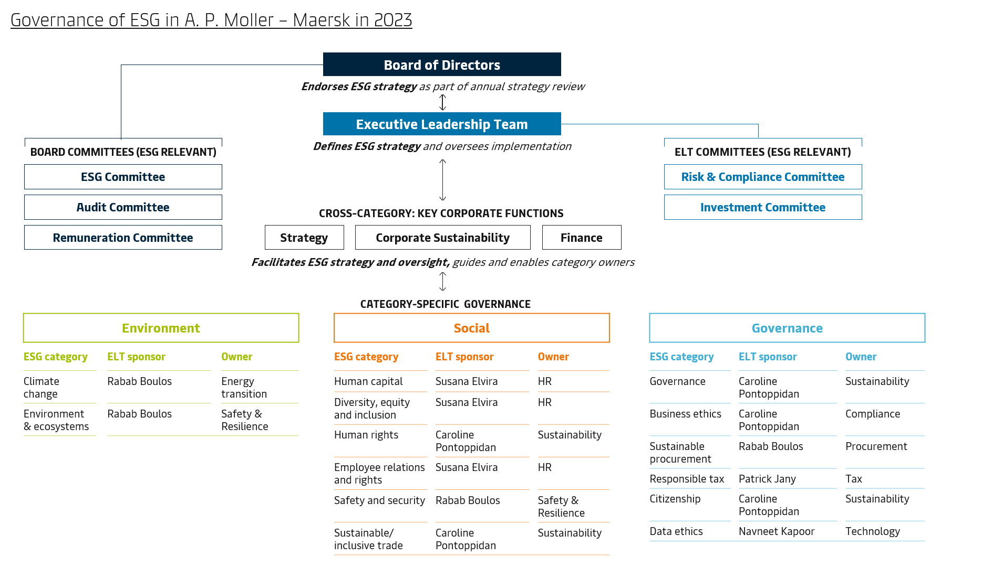
 |  |  | Governance of climate-related risks in Maersk Overall responsibility for climate-related risks resides with the Executive Leadership Team (ELT) under the governance and supervision of the Board of Directors. Climate-related risks are managed within our ESG category 'Climate Change', which is one of our 14 ESG categories. Read more about the Board oversight and management of ESG, including climate-related risk, below.
Disclose the organisation’s governance around climate-related risks and opportunities. | a) Describe the board’s oversight of climate-related risks and opportunities. b) Describe management’s role in assessing and managing climate-related risks and opportunities. |  | In early 2023, Maersk announced a new organisational structure and a new Executive Leadership Team (ELT), following the appointment of Vincent Clerc as CEO. As a result of these organisational changes, new ELT members took over sponsorship for several ESG categories ensuring continued ownership and leadership focus. Sponsorship includes driving initiatives forward and being accountable to the full executive team and Board of Directors for delivering on all targets. To facilitate oversight and support decision-making for strategic dilemmas and risks through the year, ESG progress updates on strategic KPIs are provided quarterly to the ELT along with biannual deep-dives for all 14 ESG categories. Ultimately, governance is anchored with Maersk’s Board of Directors, who endorse the overall ESG strategy. In 2023, a new ESG Committee was established within the Board of Directors with the primary purpose of supporting the development of our overall ESG strategic direction, acting as a sparring partner for the ELT and supporting the Board with strategy insights into specific ESG matters. This Committee meets quarterly to discuss selected deep dives on strategic topics throughout the year. Among the topics discussed in 2023 were our ESG and decarbonisation commitments, the current and emerging regulatory landscape for ESG, human and labour rights, DE&I and ESG targets for executive remuneration – the latter is incorporated into the Long Term Incentive programme and scorecard for approval by the Remuneration Committee. In addition, the Audit Committee ensures oversight of key ESG risks and external reporting and receive regular updates on ESG reporting process. In 2023 with a particular focus on preparations for the Corporate Sustainability Reporting Directive (CSRD) reporting including the update of the double materiality assessment. At the ELT level, the Risk and Compliance Committee (RCC) is the main governance forum for ESG as well as other key risk and compliance process |  | Sustainability Report, ESG strategy and governance, pp. 10-11

2. STRATEGY
Theme | TCFD recommendations | Maersk's disclosures |  |  | Reference
Disclose the actual and potential impacts of climate-related risks and opportunities on the organisation’s businesses, strategy and financial planning where such information is material. | a) Describe the climate-related risks and opportunities the organisation has identified over the short-, medium- and long-term. b) Describe the impact of climate-related risks and opportunities on the organisation’s businesses, strategy and financial planning. c) Describe the resilience of the organisation’s strategy, taking into consideration different climate-related scenarios, including a 2°C or lower scenario. |  | Climate scenarios used in Maersk climate-risk assessments Maersk uses climate scenarios to evaluate the likelihood and impact of risks across different time horizons. The scenarios encompass a spectrum, ranging from Paris-aligned scenarios projecting a 1.5 degrees Celsius increase to business-as-usual scenarios exceeding 3 degrees Celsius warming. Our approach involves utilising the 1.5-degree scenario to assess transition risks, while a broader range of scenarios, including a higher degree scenario (>3), is used for evaluating physical climate risks. The use of scenarios, especially assessment of risks in high-degree scenarios, allows us to assess risks under the worst-case conditions, helping us to prepare for and the formulate robust mitigation plans capable of withstanding the most challenging circumstances. The scenario used for the transition risk assessment is developed in-house and represents a 1.5 degree Celcius global warming pathway. For assessing the physical climate risks, we have used SSP2-8.5 (no policy, >3°C), SSP2-4.5 (stated policy, ~2.5°C), and SSP1-1.9 (Paris agreement, 2°C), which are aligned with the IPCC 6th Assessment Report from 2021. |  | Sustainability Report, climate change, pp. 18-27 Annual Report, Navigating risks, p. 26-30
 |  |  | Risk screening and categorisation Maersk has assessed a range of different climate-related risks and opportunities, using the risk categorisation outlined by TCFD, including transition risks (legal, regulation, market, technology, reputational) and physical risks (chronical, acute). The following risks and opportunities have been identified:

 |  |  | Risks | - Failure to decarbonise our supply chain or generate business value from decarbonisation (transition risk)
 |  |  |  | - The physical impact of climate change on our assets, networks and global supply chains (physical risk)
 |  |  |  | - Risk that our suppliers do not adhere to Maersk's sustainability standards, exposing Maersk to reputational, compliance and financial risks (transition risk)
 |  |  |  | - Climate liability claims (transition risk)
 |  |  | Opportunities | - The growing market/demand for our ESG Delivery products (transition opportunity)
...
 |  |  | Risk | Physical impact of climate change on our assets
 |  |  | Risk description | Our assets around the world and the third-party infrastructure we depend on are already impacted by extreme weather events such as typhoons and hurricanes, wildfires, droughts, and flooding. Examples of impact are Port of Salalah 2018 (Cyclone Mekunu), Pipavav Port 2021 (Cyclone Tauktae), Elisabeth Port 2012 (Hurricane Sandy), Moin Terminal construction project 2016 (two high wave events), Sumner WA warehouse facility 2020 (California wildfires), and the Yokohama Terminal 2021 (sudden wind gust). Further, for example, in 2023, four properties in Durban were damaged as a consequence of extensive floods. Besides causing physical damage such events also cause disruption of the operation of the assets and furthermore has an impact on our ability to operate the network. With increasing prevalence of extreme weather events, the physical impacts of climate change may further affect Maersk land-based assets and operations as well as the supply chains we operate.
 |  |  | Climate scenario | 2.0, ~2.5 and >3 degrees Celcius, SSP1-1.9, SSP2-4.5 and SSP2-8.5 IPCC
 |  |  | Key scenario assumption, risks and impacts | The analysis of the impact on our assets (landside infrastructure and transportation) includes assessment of climate scenarios and their impact on the company’s operations in relevant locations. The risks are assessed both at a portfolio and individual assets level. On average the asset portfolio is predicted to incur 30% higher costs by 2050 for physical damage and business interruption compared to a baseline of 2020. The estimated loss by 2050 will vary by +/-5% dependent on which climate scenario occurs between 2020 and 2050. The increase in cost is mainly attributable to the increased risk exposure due to coastal floods, water stress, and heatwaves. The results of the assessment under the three scenarios used, in the time horizons 2030, 2040, 2050, are as follows: SSP1-1.9 (Paris agreement, 2°C): - 2030: 149 million USD - 2040: 161 million USD - 2050: 173 million USD SSP2-4.5 (current policy, ~2.5°C): - 2030: 154 million USD - 2040: 168 million USD - 2050: 182 million USD SSP2-8.5 (no policy, >3°C): - 2030: 157 million USD - 2040: 172 million USD - 2050: 187 million USD
 |  |  | Mitigation | As a response to the physical risk to our assets, all our majority owned terminals and large warehouse locations are part of a loss prevention programme entailing an assessment of climate change related exposure (e.g. flooding, storms etc). In 2023, we conducted 13 risk engineering reports for selected terminals (which we revisit every third year), and we performed an extended advisory for Port Elizabeth, as a follow up on the findings from the climate change risk assessment conducted in 2022.

3. RISK MANAGEMENT
Theme | TCFD recommendations | Maersk's disclosures |  |  | Reference
Disclose how the organisation identifies, assesses and manages climate-related risks. | a) Describe the organisation’s processes for identifying and assessing climate-related risks. |  | The enterprise risk management framework ensures that all A.P. Moller - Maersk businesses and functions identify risks that could affect their business objectives and operations. Risk identification is based on a combination of facilitated risk reporting from business areas and functions along with interviews with individual executives to gather their holistic view of the risks to the company’s business objectives. The risks identified are then consolidated into an enterprise-wide risk landscape and validated for relevance and significance by the Risk & Compliance Committee. After final consolidation, the risk landscape is reviewed by the Executive Leadership Team, who determine the key risks for the company. These risks are then submitted to the Audit Committee and the Board of Directors. |  | Annual Report, Navigating risks, p. 26-30

 | b) Describe the organisation’s processes for managing climate-related risks. |  | 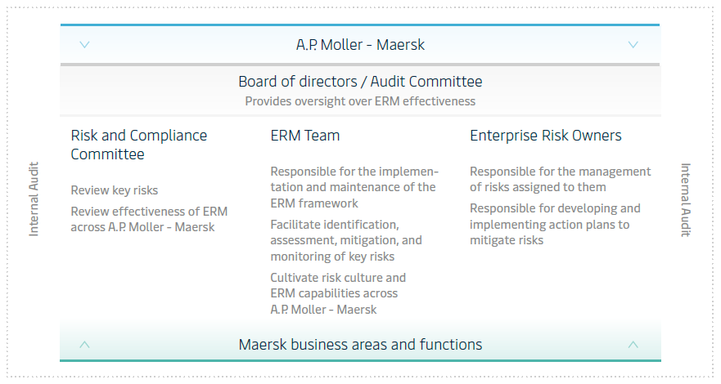 Overview of governance structure |  | Annual Report, Navigating risks, p. 26-30
 |  |  | The key risks are assigned to an executive owner who is accountable for the management of the risk, including confirmation that adequate controls are in place and that the necessary action plans are implemented to bring or keep the key risk within risk appetite. To provide adequate oversight, key risk developments and mitigation progress are monitored and reported on throughout the year based on agreed metrics. Quarterly in-dept reviews of the status of the key risks and their mitigation are conducted in the management teams of the relevant business areas and functions and various oversight fora such as the Risk & Compliance Committee. In addition, the Audit Committee conducts deep dive sessions with executive risk owners throughout the year on selected key risks. Figure 1 presents an overview of A.P. Moller - Maersk’s process and governance structure.
 | c) Describe how processes for identifying, assessing and managing climate-related risks are integrated into the organisation’s overall risk management. |  | Climate related risks and opportunities are part of the Enterprise Risk Management system reporting to the Risk and Compliance Committee on a quarterly basis. Risk management at Maersk is strategically focused and designed to contribute to the achievement of the company’s business objectives in the medium term and ensure the longevity of the company in the longer term. An Enterprise Risk Management (ERM) framework has been implemented across Maersk to identify, assess and respond to key risks that can threaten Maersk’s ability to achieve its strategic objectives. Assessing and responding to climate-related risk and opportunities are integrated into our multi-disciplinary company-wide ERM process. |  | Annual Report, Navigating risks, p. 26-30

4. METRICS AND TARGETS
Theme | TCFD recommendations | Maersk's disclosures |  |  | Reference
Disclose the metrics and targets used to assess and manage relevant climate-related risks and opportunities where such information is material. | a) Disclose the metrics used by the organisation to assess climate-related risks and opportunities in line with its strategy and risk management process. |  | Maersk uses several metrics and targets to assess and manage climate-related risks and opportunities and measure progress against targets. For our transition risks and opportunities we track our performance on GHG emissions and energy consumption. The targets used to manage climate-related risks and opportunities is 50% reduction in carbon intensity (EEOI) by 2030 and 25% of Ocean cargo transported with green fuels by 2030. Further, in 2023, we have successfully submitted and secured SBTi-validation for our 2030 and 2040 targets. We will use and report our progress on the validated Science-Based Targets from 2024. See more on pp. 18-20 in the Sustainability Report 2023. As a response to the physical risk to our assets, all our majority owned terminals and large warehouse locations are part of a loss prevention programme entailing an assessment of climate change related exposure (e.g. flooding, storms etc). In 2023, we conducted 13 risk engineering reports for selected terminals (which we revisit every third year), and we performed an extended advisory for Port Elizabeth, as a follow up on the findings from the climate change risk assessment conducted in 2022. |  | Sustsainability Report, ESG performance data, p. 48 Sustainability Report, Climate change, pp. 18-20
 | b) Disclose Scope 1, Scope 2 and , if appropriate, Scope 3 greenhouse gas (GHG) emissions. |  | Please find disclosures on scope 1, scope 3 and scope 3 in the climate chage section
 | c) Describe the targets used to manage climate-related risks and opportunities and performance against such targets. |  | Please refer to TCFD recommendation 4a) above.

SASB
SASB

Home
Table of content
Marine Transportation Industry Standard – Disclosures & Accounting Metrics
Maersk's SASB reporting Maersk has reported against the SASB Marine Transportation Industry Standard since 2019. Find below our SASB reporting for 2023.

Reporting and governance
Environmental KPIs
Policies and resources
Sustainability Report 2023
SASB Standard - Marine Transportation

Social KPIs
KPIs

Governance KPIs
Greenhouse Gas Emissions

EU regulation reporting
Standards and ESG ratings
SASB
TCFD
 | Unit | Reference | 2023 | Development from previous year | 2022
Gross global Scope 1 emissions | Tonnes CO₂ eq. | TR-MT-110a.1 | 15,534,980 | -2% | 15,848,534
Long-term and short-term strategy or plan to manage Scope 1 emissions, emissions reduction targets, and an analysis of performance against those targets | Description | TR-MT-110a.2 | See pp. 18-24 in SR23 | - | See pp. 21-33 in SR22
ESG ratings
(1) Total energy consumed | Gigajoules (GJ) | TR-MT-110a.3 | 206,458,314 | -3% | 213,220,742
(2) percentage heavy fuel oil | Percentage (%) | TR-MT-110a.3 | 92 | -6 %-points | 98
Engage
(3) percentage renewable (only considering biofuel) | Percentage (%) | TR-MT-110a.3 | 3 | 0 %-points | 3
Average Energy Efficiency Design Index (EEDI) for new ships | Grams of CO₂ per tonnes-nautical mile | TR-MT-110a.4 | 10.79 | - | *

Air quality

Indicator | Unit | Reference | 2023 | Development from previous year | 2022
Air emissions of the following pollutants:
(1) NOx (excluding N2O), | Tonnes | TR-MT-120a.1 | 335,757 | 5% | 321,278
(2) SOx | Tonnes | TR-MT-120a.1 | 44,233 | -11% | 49,877
(3) particulate matter (PM10) | Tonnes | TR-MT-120a.1 | 26,248 | 4%

Ecological impacts
...

Ratings
ESG ratings

Home
Table of content
ESG Ratings
A.P. Moller - Maersk is rated by different ESG ratings. We value transparency and feedback, which helps us to improve on the most material ESG aspects. See below Maersk's performance on a number of prioritised ESG ratings.
Reporting and governance
KPIs
Environmental KPIs
Scoring
Social KPIs
Governance KPIs
EU regulation reporting
Indicator | Scale (high to low) | 2023 | 2022 | 2021 | 2020
CDP | A - F | A | A- | B | B
EcoVadis | Platinum - bronze | Platinum | Gold | Silver | Silver
Standards and ESG ratings
MSCI | AAA - CCC | AA | AA | AA | A
TCFD
Sustainalytics | Negligible - Severe | 17.0 (low risk) | 17.0 (low risk) | 22.6 (medium risk) | 22.0 (Medium risk)
CA100+ Net-Zero Company Benchmark | - Meet criteria | 3 | 3 | 2 | 2
SASB
 | - Partially meet criteria | 7 | 4 | 4 | 5
ESG ratings
 | - Do not meet criteria | 0 | 2 | 3 | 2
S&P Dow Jones | 100-0 | 56 | 60 | 52 | 35
Engage

Engage
Home
We value your feedback

Table of content
Reporting and governance
We welcome any questions, comments or suggestions you might have to this ESG Factbook and our performance and to our work with sustainability and ESG in general.

Environmental KPIs
Please send your feedback to:

Social KPIs
Governance KPIs
A.P. Moller - Maersk
Esplanaden 50
1098 Copenhagen
Denmark
EU regulation reporting
Attn: Sustainability
Standards and ESG ratings
You can also send an email to: sustainability@maersk.com
Engage
Editors
Frederik Bo Rementorp
Theresia Molander
Katrine Juhl Jespersen

News and reporting

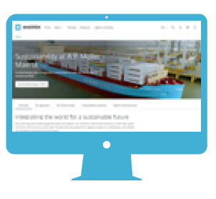
Online |  | Engage with us
 | Corporate website
 | Maersk.com/press
 | Investor
 | Sustainability

